Programming Admin_Execution
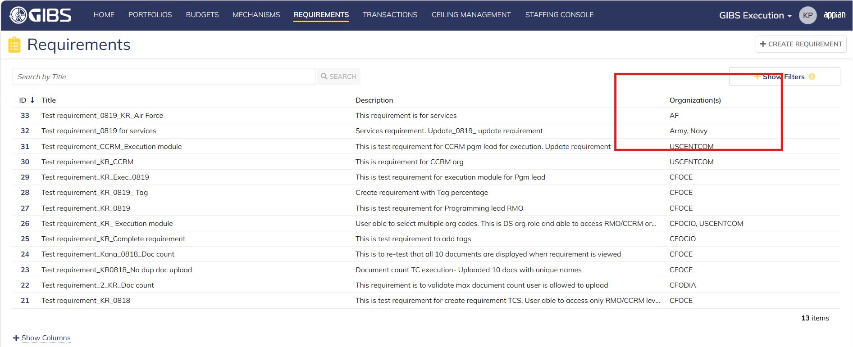
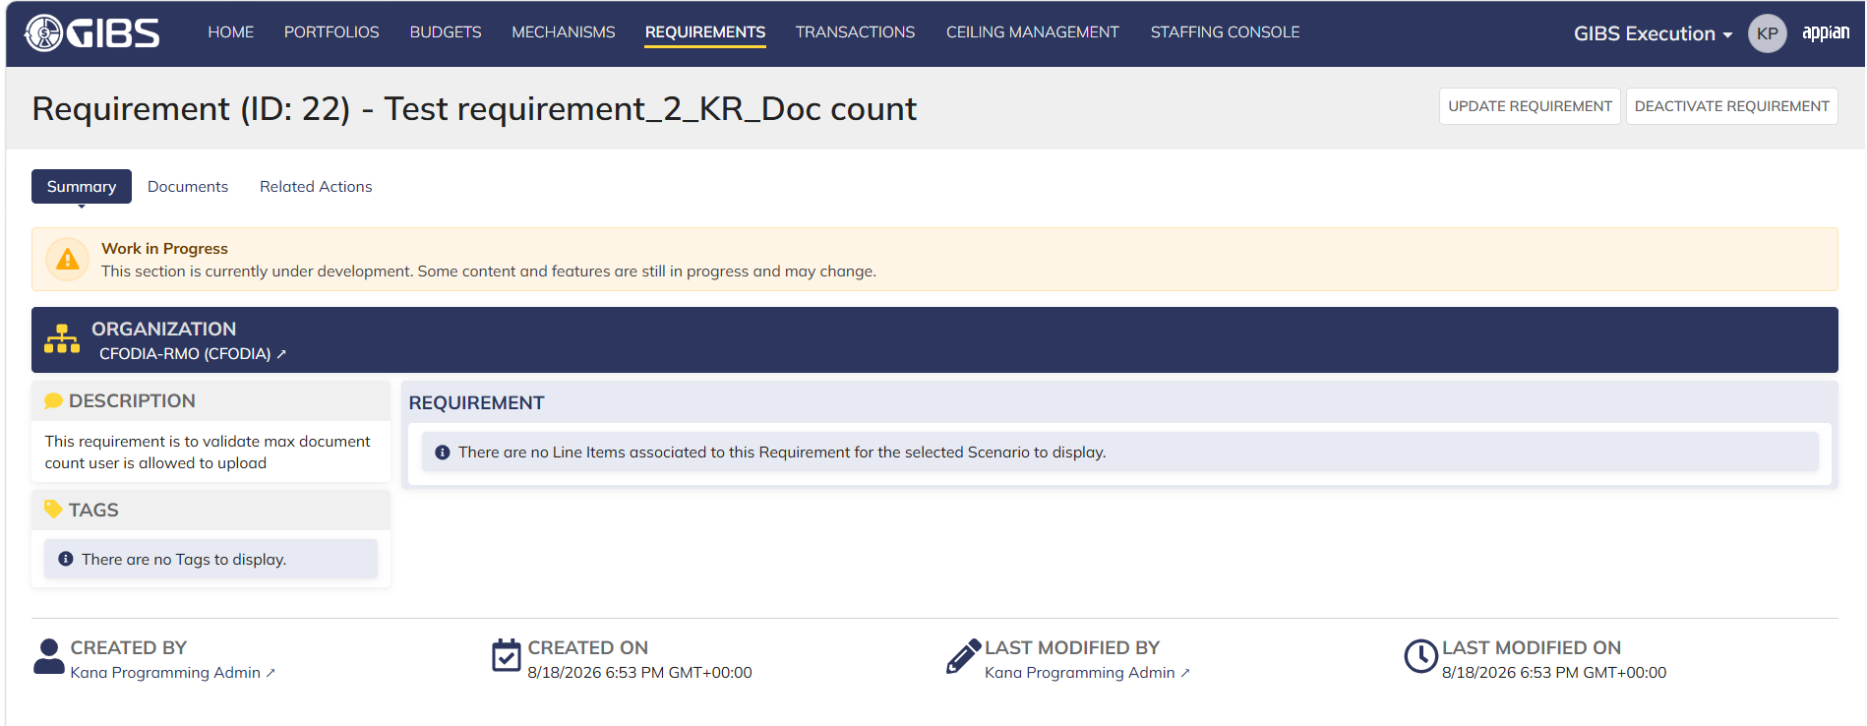
DIABPS Sprint 1 - DIABPS-129 TEST CASE SCENARIO |  | TESTER INFO
Test Case ID: | DIABPS_129#01 | Created By: | Kana Raghavan
Test Scenario: | A user with an appropriate role can view a requirement from Execution module | Created On: | 2026-08-03
User Story: | View a requirement(Planning and Execution modules) | Reviewed By: | Jordan Helman
Story Description: | As a(n) Execution Admin, Programming Admin, Manpower Admin, Resource Management Lead, Execution Lead, Programming Lead, Manpower Lead, Execution Analyst, Programming Analyst, or Manpower Analyst, DDFor/CCMD/Office Business Manager, Office Chief, or Viewer at any level (ES, DS, Service, RMO, CCRM, CCMD, DDFor, or Office) user can view requirements within their organization to review its details. | Reviewed On: | 2026-08-14
Environment: | GIBS Test | Executed By: | Kana Raghavan
User Role(s): | Programming Admin for (ES/DS) Org | Executed On: | 2026-08-21
Pre-Conditions: | User able to login to Execution module successfully as Programming Admin who is assigned to specific Org (ES/DS)
Acceptance Criteria | The user will be able to navigate to a site page for “Requirements” Within this site page, the user will be able to: Search for Requirements within my organization by title View a list of Requirements The following columns appear by default: ID This is a a hyperlink to the Requirement record summary Title Description Organization Code(s)- If there is more than organization code, the organization codes will display as a bulleted list Active The following columns are optional: Created By Created On Last Modified By Last Modified On Filter Requirements by any of the following which are hidden by default: Title Text field Description Text field Organization Code(s) Autocomplete Search Field Active Within a Requirement’s record, The user can view the Summary tab with the following fields displayed: ID This is a a hyperlink to the Requirement record summary Title Description Organization Code(s) If there is more than organization code, the organization codes will display as a bulleted list The user can view the Documents associated to this requirement

Step Number | Step Description | Input Data | Expected Results | Pass/Fail
STEP 1 | Log in as a user with Programming Admin credential. User should be assigned to a specific Org (ES/DS). https://ams-test.appiancloud.us/suite/ | Username: | User able to login successfully | Pass
STEP 2 | Click on GIBS Execution module on top right dropdown to launch Execution module | N/A | User able to click on dropdown and able to launch Execution module | Pass
STEP 3 | Click on "Requirements" Tab | N/A | User able to click requirements tab and current requirements are displayed with all details | Pass
STEP 4 | User able to view all the requirements listed with below headers and search for requirement within their organization ID Title Description Organization code Active | N/A | Current requirements are listed with below fields ID Title Description Organization code Active The user can only see requirements that have at least 1 Organization within their scope | Pass
STEP 5 | User should be able to click on "Show Filters" and Filter box is displayed. User should be able to use below fields and use filters: Title Description Organization Codes Active ( User can toggle "Yes" or "No") | Title- Text Description- Text Organization Codes Active (Yes or No) | User should be able to use Filters and view requirements based on Filter that user inputs. | Pass
STEP 6 | User clicks on ID which is a hyperlink to open the requirement | N/A | User able to click on ID and requirement screen is displayed | Pass
STEP 7 | Requirement screen is displayed with Requirement ID and Title as header Sub-tabs are displayed and user able to click on below tabs and view the details: Summary Documents Related actions | N/A | Requirement screen with details and user able to click on all sub-tabs successfully | Pass
STEP 8 | On Summary Screen system will record the user who performed the action and the datetime it was performed. Below details are displayed for successful update Created By Created On Last Modified By Last Modified On | N/A | User able to view all system recorded details | Pass
STEP 9 | Repeat Steps 1-8 for below roles 1) Execution Admin 2) Manpower Admin 3) Resource Management Lead 4) Execution Lead 5) Programming Lead 6) Manpower Lead 7) Execution Analyst 8) Programming Analyst 9) Manpower Analyst | Input data as above steps | Results same as above steps | Pass

Evidences
 | Login as DS Programming Admin

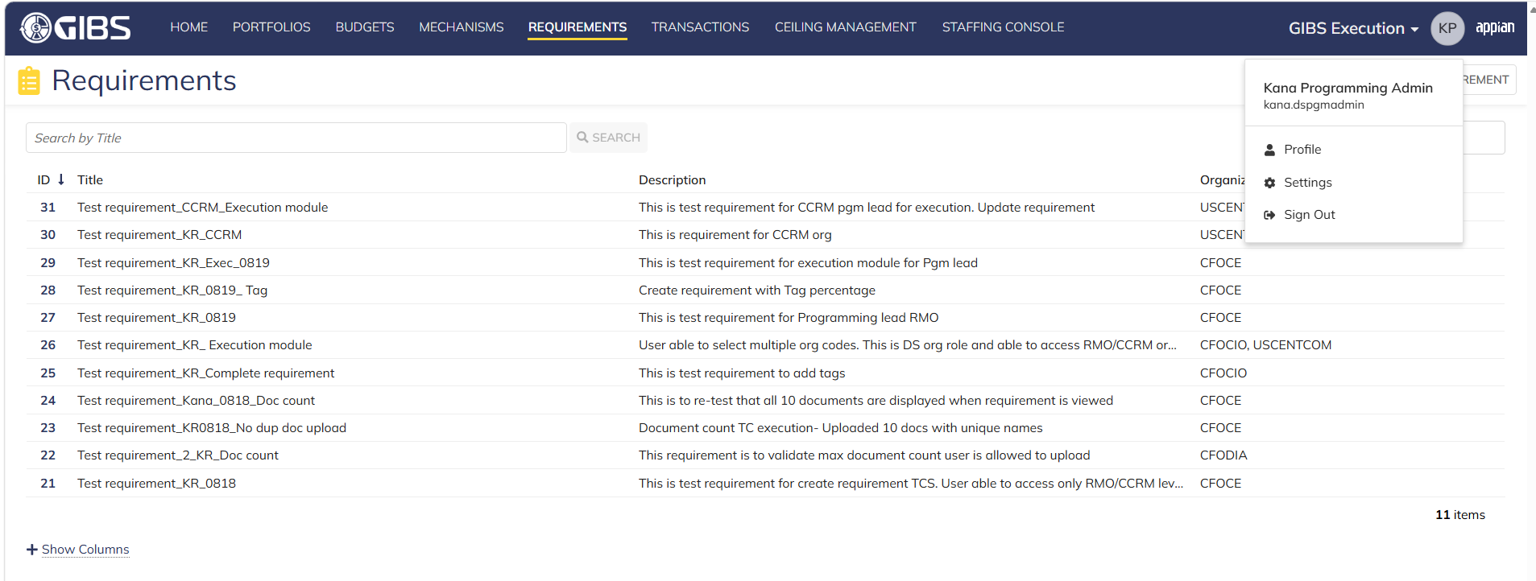

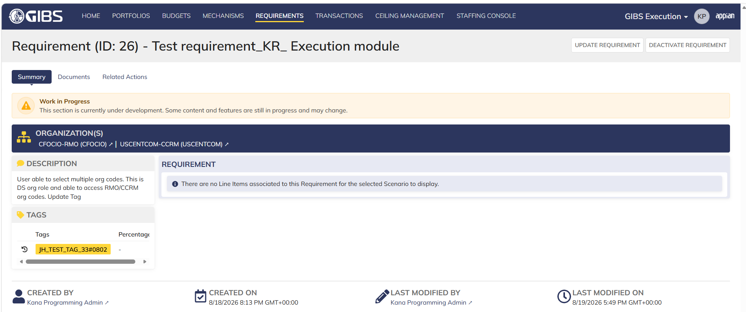

 | Login as ES Programming Admin

Execution Admin_Execution
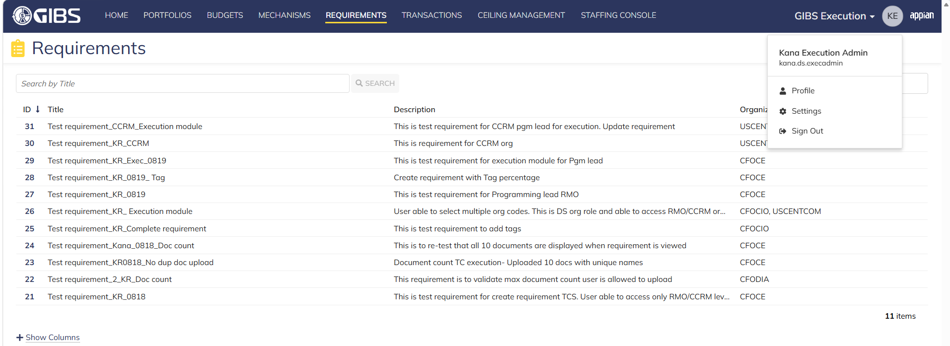
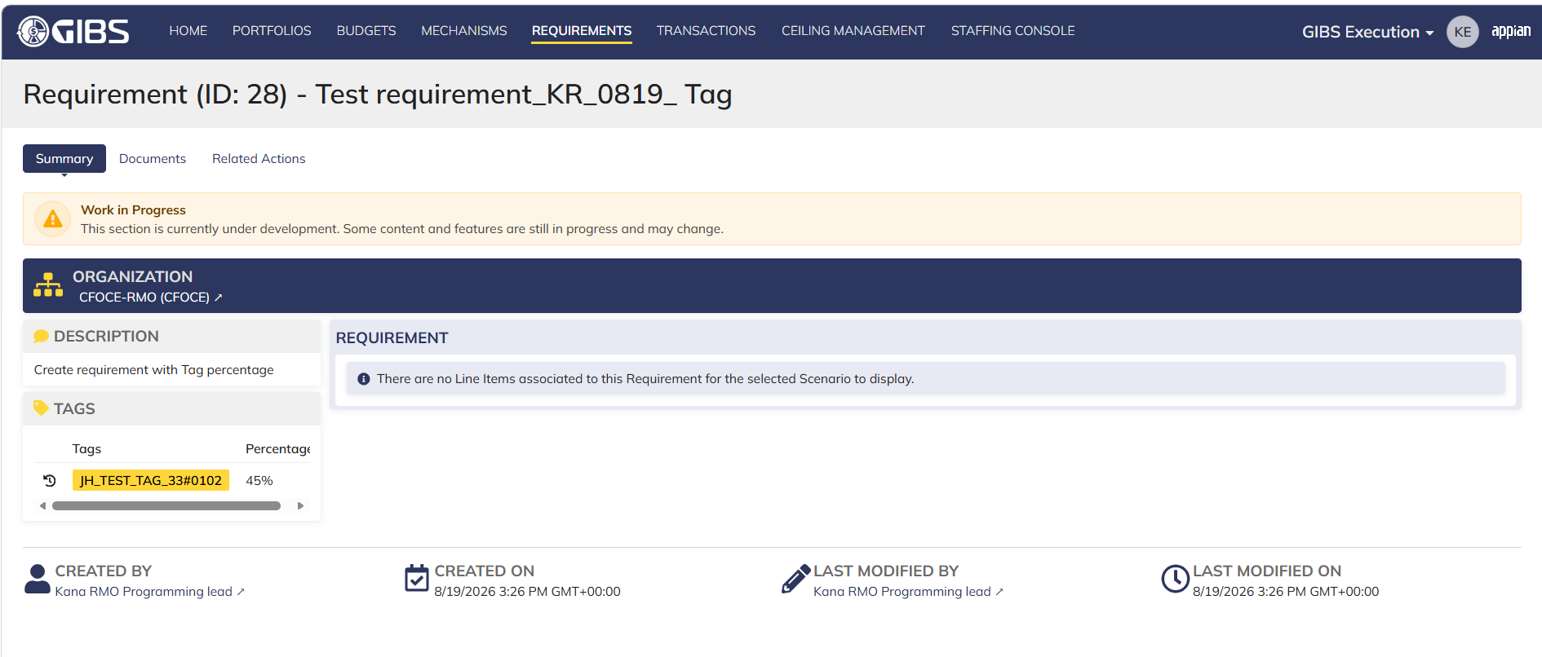
DIABPS Sprint 1 - DIABPS-129 TEST CASE SCENARIO |  | TESTER INFO
Test Case ID: | DIABPS_129#02 | Created By: | Kana Raghavan
Test Scenario: | A user with an appropriate role can view a requirement from Execution module | Created On: | 2026-08-03
User Story: | View a requirement(Planning and Execution modules) | Reviewed By: | Jordan Helman
Story Description: | As a(n) Execution Admin, Programming Admin, Manpower Admin, Resource Management Lead, Execution Lead, Programming Lead, Manpower Lead, Execution Analyst, Programming Analyst, or Manpower Analyst, DDFor/CCMD/Office Business Manager, Office Chief, or Viewer at any level (ES, DS, Service, RMO, CCRM, CCMD, DDFor, or Office) user can view requirements within their organization to review its details. | Reviewed On: | 2026-08-14
Environment: | GIBS Test | Executed By: | Kana Raghavan
User Role(s): | Execution Admin for (ES/DS) Org | Executed On: | 2026-08-21
Pre-Conditions: | User able to login to Execution module successfully as Execution Admin who is assigned to specific Org (ES/DS)
Acceptance Criteria | The user will be able to navigate to a site page for “Requirements” Within this site page, the user will be able to: Search for Requirements within my organization by title View a list of Requirements The following columns appear by default: ID This is a a hyperlink to the Requirement record summary Title Description Organization Code(s)- If there is more than organization code, the organization codes will display as a bulleted list Active The following columns are optional: Created By Created On Last Modified By Last Modified On Filter Requirements by any of the following which are hidden by default: Title Text field Description Text field Organization Code(s) Autocomplete Search Field Active Within a Requirement’s record, The user can view the Summary tab with the following fields displayed: ID This is a a hyperlink to the Requirement record summary Title Description Organization Code(s) If there is more than organization code, the organization codes will display as a bulleted list The user can view the Documents associated to this requirement

Step Number | Step Description | Input Data | Expected Results | Pass/Fail
STEP 1 | Log in as a user with Execution Admin credential. User should be assigned to a specific Org (ES/DS). https://ams-test.appiancloud.us/suite/ | Username: | User able to login successfully | Pass
STEP 2 | Click on GIBS Execution module on top right dropdown to launch Execution module | N/A | User able to click on dropdown and able to launch Execution module | Pass
STEP 3 | Click on "Requirements" Tab | N/A | User able to click requirements tab and current requirements are displayed with all details | Pass
STEP 4 | User able to view all the requirements listed with below headers and search for requirement within their organization ID Title Description Organization code Active | N/A | Current requirements are listed with below fields ID Title Description Organization code Active The user can only see requirements that have at least 1 Organization within their scope | Pass
STEP 5 | User should be able to click on "Show Filters" and Filter box is displayed. User should be able to use below fields and use filters: Title Description Organization Codes Active ( User can toggle "Yes" or "No") | Title- Text Description- Text Organization Codes Active (Yes or No) | User should be able to use Filters and view requirements based on Filter that user inputs. | Pass
STEP 6 | User clicks on ID which is a hyperlink to open the requirement | N/A | User able to click on ID and requirement screen is displayed | Pass
STEP 7 | Requirement screen is displayed with Requirement ID and Title as header Sub-tabs are displayed and user able to click on below tabs and view the details: Summary Documents Related actions | N/A | Requirement screen with details and user able to click on all sub-tabs successfully | Pass
STEP 8 | On Summary Screen system will record the user who performed the action and the datetime it was performed. Below details are displayed for successful update Created By Created On Last Modified By Last Modified On | N/A | User able to view all system recorded details | Pass

Evidences
 | Login as DS Execution Admin

Manpower Admin_Execution
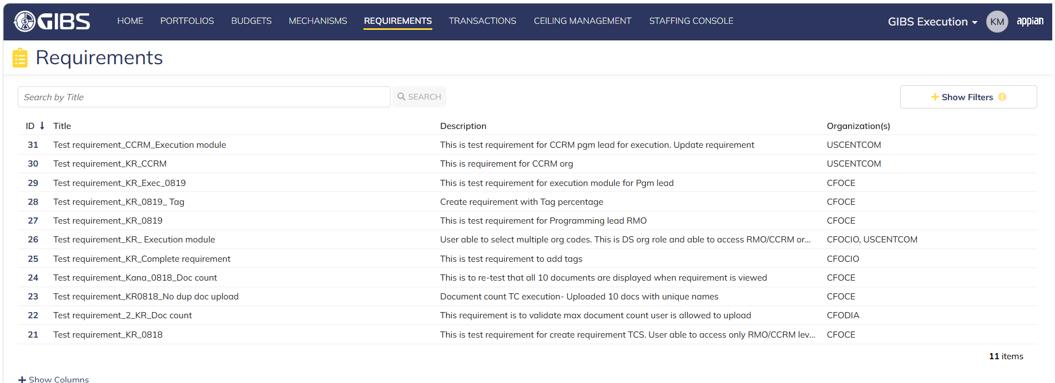
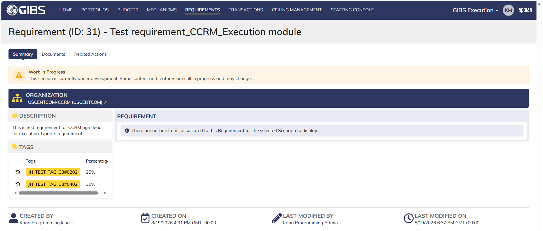
DIABPS Sprint 1 - DIABPS-129 TEST CASE SCENARIO |  | TESTER INFO
Test Case ID: | DIABPS_129#03 | Created By: | Kana Raghavan
Test Scenario: | A user with an appropriate role can view a requirement from Execution module | Created On: | 2026-08-03
User Story: | View a requirement(Planning and Execution modules) | Reviewed By: | Jordan Helman
Story Description: | As a(n) Execution Admin, Programming Admin, Manpower Admin, Resource Management Lead, Execution Lead, Programming Lead, Manpower Lead, Execution Analyst, Programming Analyst, or Manpower Analyst, DDFor/CCMD/Office Business Manager, Office Chief, or Viewer at any level (ES, DS, Service, RMO, CCRM, CCMD, DDFor, or Office) user can view requirements within their organization to review its details. | Reviewed On: | 2026-08-14
Environment: | GIBS Test | Executed By: | Kana Raghavan
User Role(s): | Manpower Admin for (DS) Org | Executed On: | 2026-08-21
Pre-Conditions: | User able to login to Execution module successfully as Manpower Admin who is assigned to specific Org (DS)
Acceptance Criteria | The user will be able to navigate to a site page for “Requirements” Within this site page, the user will be able to: Search for Requirements within my organization by title View a list of Requirements The following columns appear by default: ID This is a a hyperlink to the Requirement record summary Title Description Organization Code(s)- If there is more than organization code, the organization codes will display as a bulleted list Active The following columns are optional: Created By Created On Last Modified By Last Modified On Filter Requirements by any of the following which are hidden by default: Title Text field Description Text field Organization Code(s) Autocomplete Search Field Active Within a Requirement’s record, The user can view the Summary tab with the following fields displayed: ID This is a a hyperlink to the Requirement record summary Title Description Organization Code(s) If there is more than organization code, the organization codes will display as a bulleted list The user can view the Documents associated to this requirement

Step Number | Step Description | Input Data | Expected Results | Pass/Fail
STEP 1 | Log in as a user with Manpower Admin credential. User should be assigned to a specific Org (DS). https://ams-test.appiancloud.us/suite/ | Username: | User able to login successfully | Pass
STEP 2 | Click on GIBS Execution module on top right dropdown to launch Execution module | N/A | User able to click on dropdown and able to launch Execution module | Pass
STEP 3 | Click on "Requirements" Tab | N/A | User able to click requirements tab and current requirements are displayed with all details | Pass
STEP 4 | User able to view all the requirements listed with below headers and search for requirement within their organization ID Title Description Organization code Active | N/A | Current requirements are listed with below fields ID Title Description Organization code Active The user can only see requirements that have at least 1 Organization within their scope | Pass
STEP 5 | User should be able to click on "Show Filters" and Filter box is displayed. User should be able to use below fields and use filters: Title Description Organization Codes Active ( User can toggle "Yes" or "No") | Title- Text Description- Text Organization Codes Active (Yes or No) | User should be able to use Filters and view requirements based on Filter that user inputs. | Pass
STEP 6 | User clicks on ID which is a hyperlink to open the requirement | N/A | User able to click on ID and requirement screen is displayed | Pass
STEP 7 | Requirement screen is displayed with Requirement ID and Title as header Sub-tabs are displayed and user able to click on below tabs and view the details: Summary Documents Related actions | N/A | Requirement screen with details and user able to click on all sub-tabs successfully | Pass
STEP 8 | On Summary Screen system will record the user who performed the action and the datetime it was performed. Below details are displayed for successful update Created By Created On Last Modified By Last Modified On | N/A | User able to view all system recorded details | Pass

Evidences
 | Login as DS Manpower Admin

Resource Mgmt lead_Execution
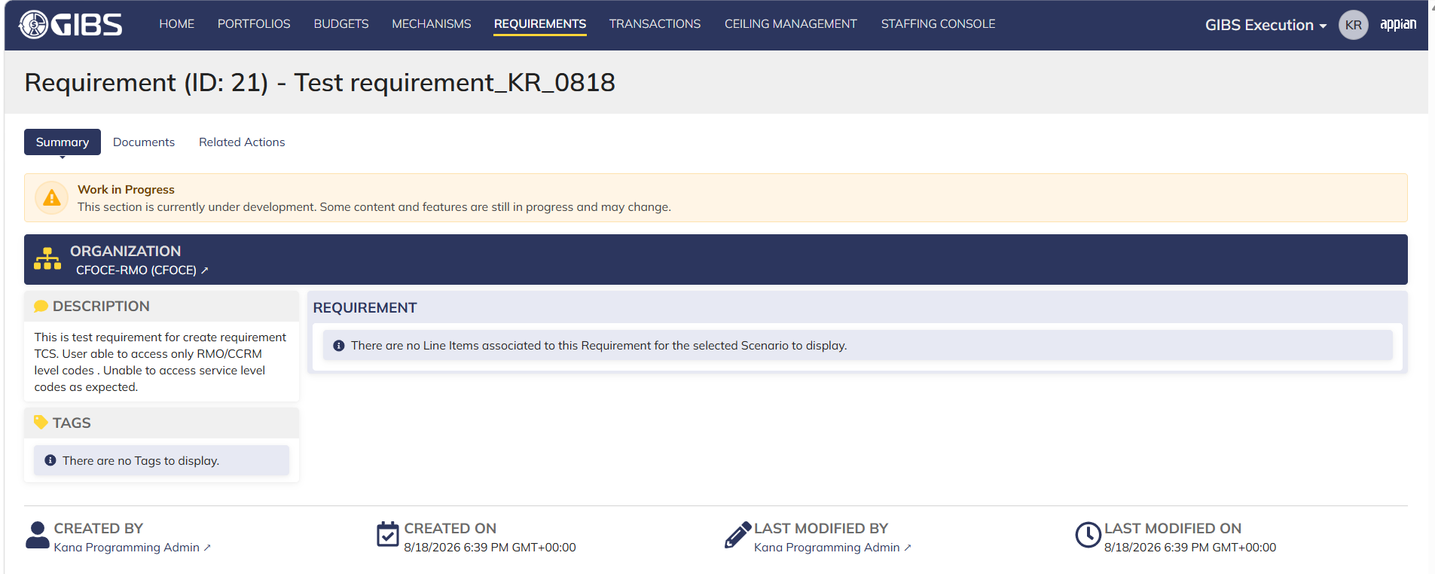
DIABPS Sprint 1 - DIABPS-129 TEST CASE SCENARIO |  | TESTER INFO
Test Case ID: | DIABPS_129#04 | Created By: | Kana Raghavan
Test Scenario: | A user with an appropriate role can view a requirement from Execution module | Created On: | 2026-08-03
User Story: | View a requirement(Planning and Execution modules) | Reviewed By: | Jordan Helman
Story Description: | As a(n) Execution Admin, Programming Admin, Manpower Admin, Resource Management Lead, Execution Lead, Programming Lead, Manpower Lead, Execution Analyst, Programming Analyst, or Manpower Analyst, DDFor/CCMD/Office Business Manager, Office Chief, or Viewer at any level (ES, DS, Service, RMO, CCRM, CCMD, DDFor, or Office) user can view requirements within their organization to review its details. | Reviewed On: | 2026-08-14
Environment: | GIBS Test | Executed By: | Kana Raghavan
User Role(s): | Resource Management lead for (Services/RMO/CCRM) Org | Executed On: | 2026-08-21
Pre-Conditions: | User able to login to Execution module successfully as Resource Mgmt lead who is assigned to specific Org (Services/RMO/CCRM)
Acceptance Criteria | The user will be able to navigate to a site page for “Requirements” Within this site page, the user will be able to: Search for Requirements within my organization by title View a list of Requirements The following columns appear by default: ID This is a a hyperlink to the Requirement record summary Title Description Organization Code(s)- If there is more than organization code, the organization codes will display as a bulleted list Active The following columns are optional: Created By Created On Last Modified By Last Modified On Filter Requirements by any of the following which are hidden by default: Title Text field Description Text field Organization Code(s) Autocomplete Search Field Active Within a Requirement’s record, The user can view the Summary tab with the following fields displayed: ID This is a a hyperlink to the Requirement record summary Title Description Organization Code(s) If there is more than organization code, the organization codes will display as a bulleted list The user can view the Documents associated to this requirement

Step Number | Step Description | Input Data | Expected Results | Pass/Fail
STEP 1 | Log in as a user with Resource Management lead credential. User should be assigned to a specific Org (Services/RMO/CCRM). https://ams-test.appiancloud.us/suite/ | Username: | User able to login successfully | Pass
STEP 2 | Click on GIBS Execution module on top right dropdown to launch Execution module | N/A | User able to click on dropdown and able to launch Execution module | Pass
STEP 3 | Click on "Requirements" Tab | N/A | User able to click requirements tab and current requirements are displayed with all details | Pass
STEP 4 | User able to view all the requirements listed with below headers and search for requirement within their organization ID Title Description Organization code Active | N/A | Current requirements are listed with below fields ID Title Description Organization code Active The user can only see requirements that have at least 1 Organization within their scope | Pass
STEP 5 | User should be able to click on "Show Filters" and Filter box is displayed. User should be able to use below fields and use filters: Title Description Organization Codes Active ( User can toggle "Yes" or "No") | Title- Text Description- Text Organization Codes Active (Yes or No) | User should be able to use Filters and view requirements based on Filter that user inputs. | Pass
STEP 6 | User clicks on ID which is a hyperlink to open the requirement | N/A | User able to click on ID and requirement screen is displayed | Pass
STEP 7 | Requirement screen is displayed with Requirement ID and Title as header Sub-tabs are displayed and user able to click on below tabs and view the details: Summary Documents Related actions | N/A | Requirement screen with details and user able to click on all sub-tabs successfully | Pass
STEP 8 | On Summary Screen system will record the user who performed the action and the datetime it was performed. Below details are displayed for successful update Created By Created On Last Modified By Last Modified On | N/A | User able to view all system recorded details | Pass

Evidences

 | Login as CCRM Resource Management Lead

 | Login as RMO resource management lead

Execution lead_Execution
DIABPS Sprint 1 - DIABPS-129 TEST CASE SCENARIO |  | TESTER INFO
Test Case ID: | DIABPS_129#05 | Created By: | Kana Raghavan
Test Scenario: | A user with an appropriate role can view a requirement from Execution module | Created On: | 2026-08-03
User Story: | View a requirement(Planning and Execution modules) | Reviewed By: | Jordan Helman
Story Description: | As a(n) Execution Admin, Programming Admin, Manpower Admin, Resource Management Lead, Execution Lead, Programming Lead, Manpower Lead, Execution Analyst, Programming Analyst, or Manpower Analyst, DDFor/CCMD/Office Business Manager, Office Chief, or Viewer at any level (ES, DS, Service, RMO, CCRM, CCMD, DDFor, or Office) user can view requirements within their organization to review its details. | Reviewed On: | 2026-08-14
Environment: | GIBS Test | Executed By: | Kana Raghavan
User Role(s): | Execution lead for (Services/RMO/CCRM) Org | Executed On: | 2026-08-21
Pre-Conditions: | User able to login to Execution module successfully as Execution lead who is assigned to specific Org (Services/RMO/CCRM)
Acceptance Criteria | The user will be able to navigate to a site page for “Requirements” Within this site page, the user will be able to: Search for Requirements within my organization by title View a list of Requirements The following columns appear by default: ID This is a a a a hyperlink to the Requirement record summary Title Description Organization Code(s)- If there is more than organization code, the organization codes will display as a bulleted list Active The following columns are optional: Created By Created On Last Modified By Last Modified On Filter Requirements by any of the following which are hidden by default: Title Text field Description Text field Organization Code(s) Autocomplete Search Field Active Within a Requirement’s record, The user can view the Summary tab with the following fields displayed: ID This is a a a a hyperlink to the Requirement record summary Title Description Organization Code(s) If there is more than organization code, the organization codes will display as a bulleted list The user can view the Documents associated to this requirement

Step Number | Step Description | Input Data | Expected Results | Pass/Fail
STEP 1 | Log in as a user with Exedcution lead credential. User should be assigned to a specific Org (Services/RMO/CCRM). https://ams-test.appiancloud.us/suite/ | Username: | User able to login successfully | Pass
STEP 2 | Click on GIBS Execution module on top right dropdown to launch Execution module | N/A | User able to click on dropdown and able to launch Execution module | Pass
STEP 3 | Click on "Requirements" Tab | N/A | User able to click requirements tab and current requirements are displayed with all details | Pass
STEP 4 | User able to view all the requirements listed with below headers and search for requirement within their organization ID Title Description Organization code Active | N/A | Current requirements are listed with below fields ID Title Description Organization code Active The user can only see requirements that have at least 1 Organization within their scope | Pass
STEP 5 | User should be able to click on "Show Filters" and Filter box is displayed. User should be able to use below fields and use filters: Title Description Organization Codes Active ( User can toggle "Yes" or "No") | Title- Text Description- Text Organization Codes Active (Yes or No) | User should be able to use Filters and view requirements based on Filter that user inputs. | Pass
STEP 6 | User clicks on ID which is a a a a hyperlink to open the requirement | N/A | User able to click on ID and requirement screen is displayed | Pass
STEP 7 | Requirement screen is displayed with Requirement ID and Title as header Sub-tabs are displayed and user able to click on below tabs and view the details: Summary Documents Related actions | N/A | Requirement screen with details and user able to click on all sub-tabs successfully | Pass
STEP 8 | On Summary Screen system will record the user who performed the action and the datetime it was performed. Below details are displayed for successful update Created By Created On Last Modified By Last Modified On | N/A | User able to view all system recorded details | Pass

Evidences
 | Login as RMO execution lead

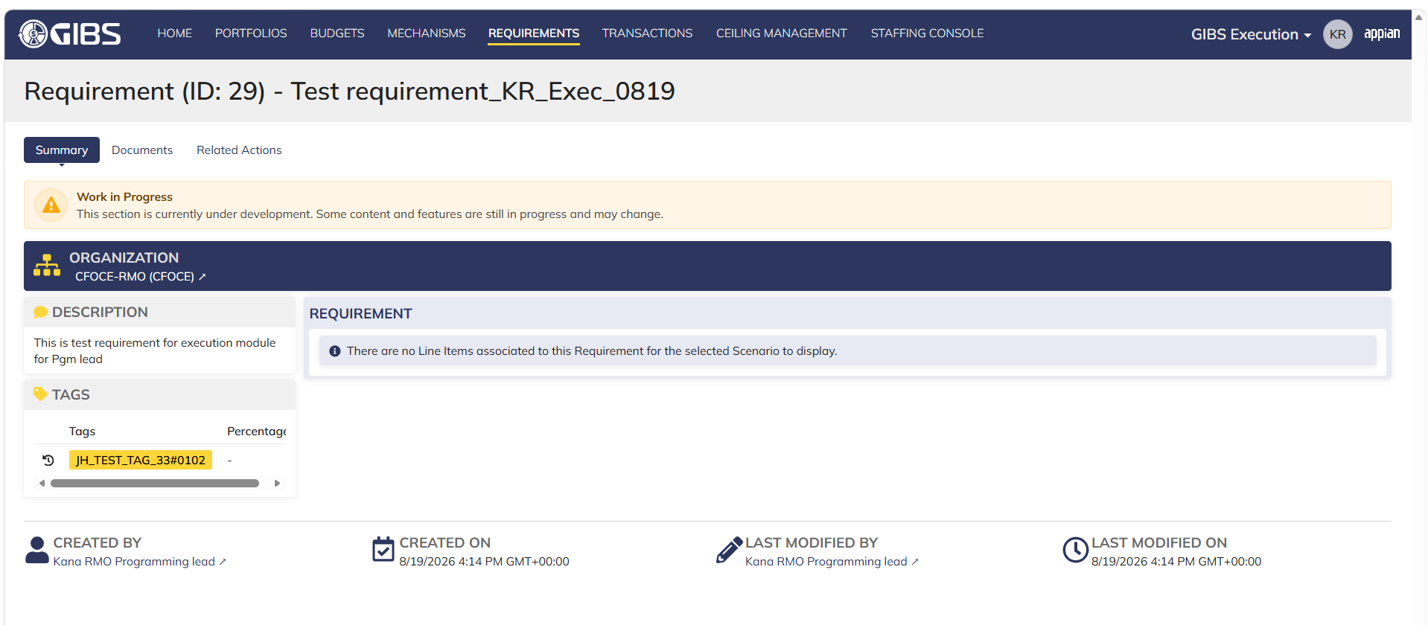

 | Login as SMO execution lead

Manpower lead_Execution
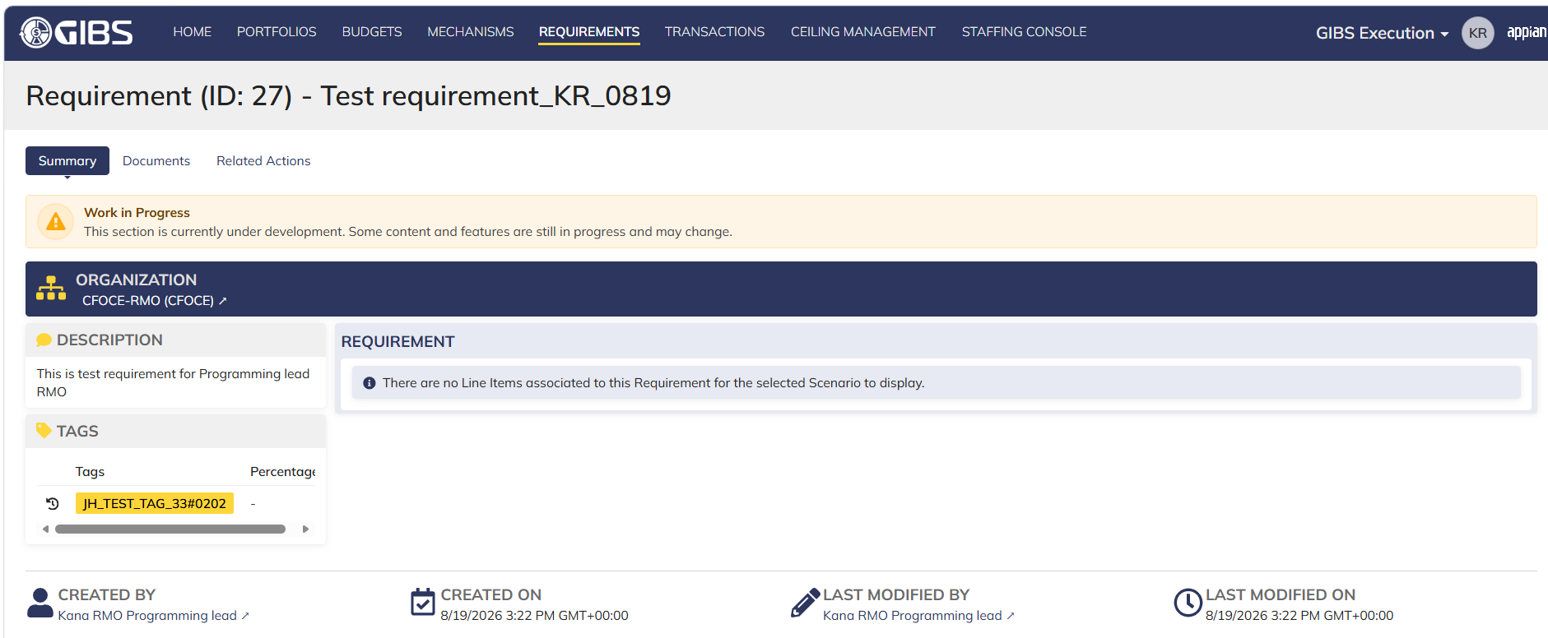
DIABPS Sprint 1 - DIABPS-129 TEST CASE SCENARIO |  | TESTER INFO
Test Case ID: | DIABPS_129#07 | Created By: | Kana Raghavan
Test Scenario: | A user with an appropriate role can view a requirement from Execution module | Created On: | 2026-08-03
User Story: | View a requirement(Planning and Execution modules) | Reviewed By: | Jordan Helman
Story Description: | As a(n) Execution Admin, Programming Admin, Manpower Admin, Resource Management Lead, Execution Lead, Programming Lead, Manpower Lead, Execution Analyst, Programming Analyst, or Manpower Analyst, DDFor/CCMD/Office Business Manager, Office Chief, or Viewer at any level (ES, DS, Service, RMO, CCRM, CCMD, DDFor, or Office) user can view requirements within their organization to review its details. | Reviewed On: | 2026-08-14
Environment: | GIBS Test | Executed By:
User Role(s): | Manpower lead for (RMO only) Org | Executed On:
Pre-Conditions: | User able to login to Execution module successfully as Manpower Lead who is assigned to specific Org (RMO only)
Acceptance Criteria | The user will be able to navigate to a site page for “Requirements” Within this site page, the user will be able to: Search for Requirements within my organization by title View a list of Requirements The following columns appear by default: ID This is a a hyperlink to the Requirement record summary Title Description Organization Code(s)- If there is more than organization code, the organization codes will display as a bulleted list Active The following columns are optional: Created By Created On Last Modified By Last Modified On Filter Requirements by any of the following which are hidden by default: Title Text field Description Text field Organization Code(s) Autocomplete Search Field Active Within a Requirement’s record, The user can view the Summary tab with the following fields displayed: ID This is a a hyperlink to the Requirement record summary Title Description Organization Code(s) If there is more than organization code, the organization codes will display as a bulleted list The user can view the Documents associated to this requirement

Step Number | Step Description | Input Data | Expected Results | Pass/Fail
STEP 1 | Log in as a user with Manpower lead credential. User should be assigned to a specific Org (RMO). https://ams-test.appiancloud.us/suite/ | Username: | User able to login successfully | Pass
STEP 2 | Click on GIBS Execution module on top right dropdown to launch Execution module | N/A | User able to click on dropdown and able to launch Execution module | Pass
STEP 3 | Click on "Requirements" Tab | N/A | User able to click requirements tab and current requirements are displayed with all details | Pass
STEP 4 | User able to view all the requirements listed with below headers and search for requirement within their organization ID Title Description Organization code Active | N/A | Current requirements are listed with below fields ID Title Description Organization code Active The user can only see requirements that have at least 1 Organization within their scope | Pass
STEP 5 | User should be able to click on "Show Filters" and Filter box is displayed. User should be able to use below fields and use filters: Title Description Organization Codes Active ( User can toggle "Yes" or "No") | Title- Text Description- Text Organization Codes Active (Yes or No) | User should be able to use Filters and view requirements based on Filter that user inputs. | Pass
STEP 6 | User clicks on ID which is a hyperlink to open the requirement | N/A | User able to click on ID and requirement screen is displayed | Pass
STEP 7 | Requirement screen is displayed with Requirement ID and Title as header Sub-tabs are displayed and user able to click on below tabs and view the details: Summary Documents Related actions | N/A | Requirement screen with details and user able to click on all sub-tabs successfully | Pass
STEP 8 | On Summary Screen system will record the user who performed the action and the datetime it was performed. Below details are displayed for successful update Created By Created On Last Modified By Last Modified On | N/A | User able to view all system recorded details | Pass

Evidences
 | Login as RMO Manpower lead

Execution Analyst_Execution
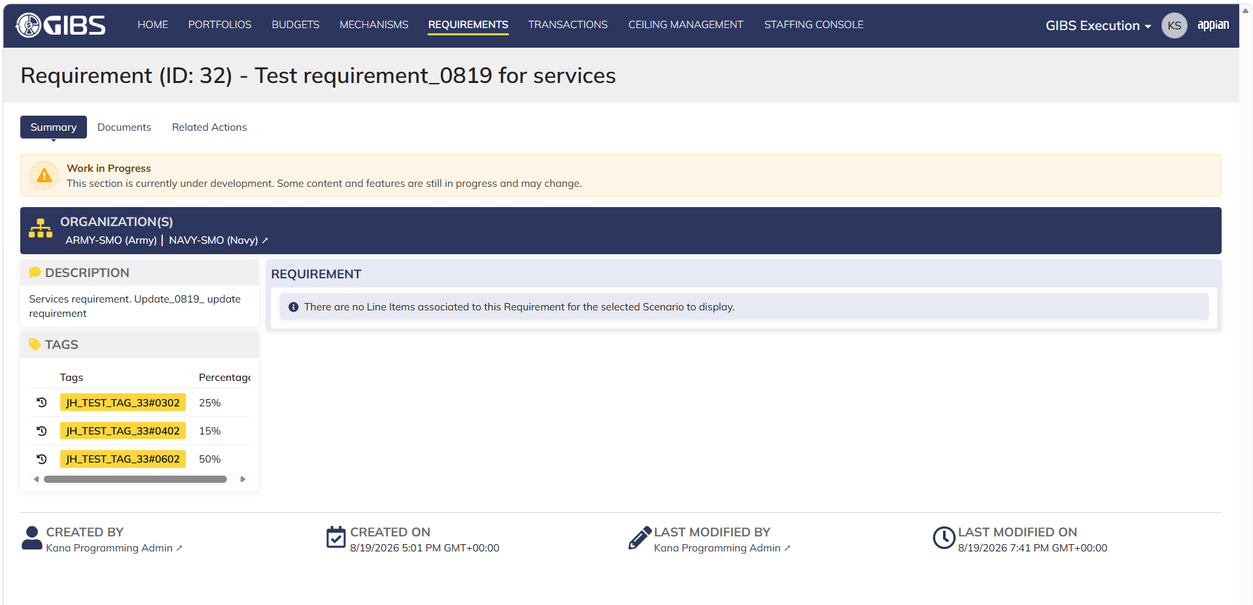
DIABPS Sprint 1 - DIABPS-129 TEST CASE SCENARIO |  | TESTER INFO
Test Case ID: | DIABPS_129#08 | Created By: | Kana Raghavan
Test Scenario: | A user with an appropriate role can view a requirement from Execution module | Created On: | 2026-08-03
User Story: | View a requirement(Planning and Execution modules) | Reviewed By: | Jordan Helman
Story Description: | As a(n) Execution Admin, Programming Admin, Manpower Admin, Resource Management Lead, Execution Lead, Programming Lead, Manpower Lead, Execution Analyst, Programming Analyst, or Manpower Analyst, DDFor/CCMD/Office Business Manager, Office Chief, or Viewer at any level (ES, DS, Service, RMO, CCRM, CCMD, DDFor, or Office) user can view requirements within their organization to review its details. | Reviewed On: | 2026-08-14
Environment: | GIBS Test | Executed By: | Kana Raghavan
User Role(s): | Execution Analyst for (Services/RMO/CCRM) Org | Executed On: | 2026-08-21
Pre-Conditions: | User able to login to Execution module successfully as Execution Analyst who is assigned to specific Org (Services/RMO/CCRM)
Acceptance Criteria | The user will be able to navigate to a site page for “Requirements” Within this site page, the user will be able to: Search for Requirements within my organization by title View a list of Requirements The following columns appear by default: ID This is a a hyperlink to the Requirement record summary Title Description Organization Code(s)- If there is more than organization code, the organization codes will display as a bulleted list Active The following columns are optional: Created By Created On Last Modified By Last Modified On Filter Requirements by any of the following which are hidden by default: Title Text field Description Text field Organization Code(s) Autocomplete Search Field Active Within a Requirement’s record, The user can view the Summary tab with the following fields displayed: ID This is a a hyperlink to the Requirement record summary Title Description Organization Code(s) If there is more than organization code, the organization codes will display as a bulleted list The user can view the Documents associated to this requirement

Step Number | Step Description | Input Data | Expected Results | Pass/Fail
STEP 1 | Log in as a user with Execution Analyst credential. User should be assigned to a specific Org (Services/RMO/CCRM). https://ams-test.appiancloud.us/suite/ | Username: | User able to login successfully | Pass
STEP 2 | Click on GIBS Execution module on top right dropdown to launch Execution module | N/A | User able to click on dropdown and able to launch Execution module | Pass
STEP 3 | Click on "Requirements" Tab | N/A | User able to click requirements tab and current requirements are displayed with all details | Pass
STEP 4 | User able to view all the requirements listed with below headers and search for requirement within their organization ID Title Description Organization code Active | N/A | Current requirements are listed with below fields ID Title Description Organization code Active The user can only see requirements that have at least 1 Organization within their scope | Pass
STEP 5 | User should be able to click on "Show Filters" and Filter box is displayed. User should be able to use below fields and use filters: Title Description Organization Codes Active ( User can toggle "Yes" or "No") | Title- Text Description- Text Organization Codes Active (Yes or No) | User should be able to use Filters and view requirements based on Filter that user inputs. | Pass
STEP 6 | User clicks on ID which is a hyperlink to open the requirement | N/A | User able to click on ID and requirement screen is displayed | Pass
STEP 7 | Requirement screen is displayed with Requirement ID and Title as header Sub-tabs are displayed and user able to click on below tabs and view the details: Summary Documents Related actions | N/A | Requirement screen with details and user able to click on all sub-tabs successfully | Pass
STEP 8 | On Summary Screen system will record the user who performed the action and the datetime it was performed. Below details are displayed for successful update Created By Created On Last Modified By Last Modified On | N/A | User able to view all system recorded details | Pass

Evidences
 | Login as SMO execution analyst

Programming Analyst_Execution
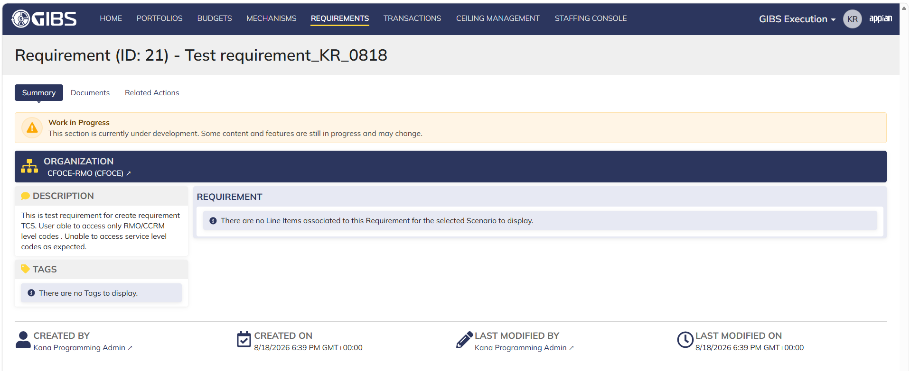
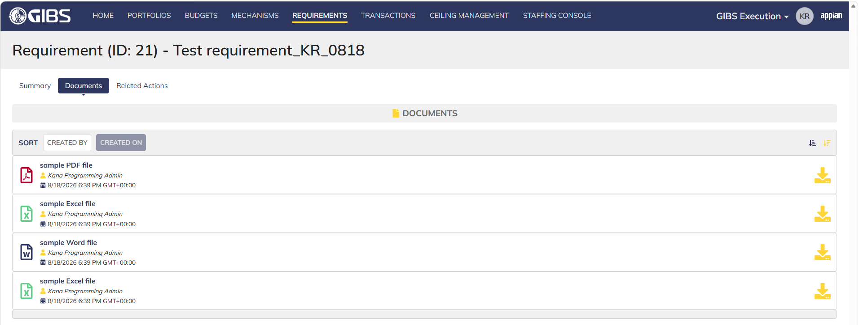
DIABPS Sprint 1 - DIABPS-129 TEST CASE SCENARIO |  | TESTER INFO
Test Case ID: | DIABPS_129#09 | Created By: | Kana Raghavan
Test Scenario: | A user with an appropriate role can view a requirement from Execution module | Created On: | 2026-08-03
User Story: | View a requirement(Planning and Execution modules) | Reviewed By: | Jordan Helman
Story Description: | As a(n) Execution Admin, Programming Admin, Manpower Admin, Resource Management Lead, Execution Lead, Programming Lead, Manpower Lead, Execution Analyst, Programming Analyst, or Manpower Analyst, DDFor/CCMD/Office Business Manager, Office Chief, or Viewer at any level (ES, DS, Service, RMO, CCRM, CCMD, DDFor, or Office) user can view requirements within their organization to review its details. | Reviewed On: | 2026-08-14
Environment: | GIBS Test | Executed By: | Kana Raghavan
User Role(s): | Programming Analyst for (Services/RMO/CCRM) Org | Executed On: | 2026-08-21
Pre-Conditions: | User able to login to Execution module successfully as Programming Analyst who is assigned to specific Org (Services/RMO/CCRM)
Acceptance Criteria | The user will be able to navigate to a site page for “Requirements” Within this site page, the user will be able to: Search for Requirements within my organization by title View a list of Requirements The following columns appear by default: ID This is a a hyperlink to the Requirement record summary Title Description Organization Code(s)- If there is more than organization code, the organization codes will display as a bulleted list Active The following columns are optional: Created By Created On Last Modified By Last Modified On Filter Requirements by any of the following which are hidden by default: Title Text field Description Text field Organization Code(s) Autocomplete Search Field Active Within a Requirement’s record, The user can view the Summary tab with the following fields displayed: ID This is a a hyperlink to the Requirement record summary Title Description Organization Code(s) If there is more than organization code, the organization codes will display as a bulleted list The user can view the Documents associated to this requirement

Step Number | Step Description | Input Data | Expected Results | Pass/Fail
STEP 1 | Log in as a user with Programming Analyst credential. User should be assigned to a specific Org (Services/RMO/CCRM). https://ams-test.appiancloud.us/suite/ | Username: | User able to login successfully | Pass
STEP 2 | Click on GIBS Execution module on top right dropdown to launch Execution module | N/A | User able to click on dropdown and able to launch Execution module | Pass
STEP 3 | Click on "Requirements" Tab | N/A | User able to click requirements tab and current requirements are displayed with all details | Pass
STEP 4 | User able to view all the requirements listed with below headers and search for requirement within their organization ID Title Description Organization code Active | N/A | Current requirements are listed with below fields ID Title Description Organization code Active The user can only see requirements that have at least 1 Organization within their scope | Pass
STEP 5 | User should be able to click on "Show Filters" and Filter box is displayed. User should be able to use below fields and use filters: Title Description Organization Codes Active ( User can toggle "Yes" or "No") | Title- Text Description- Text Organization Codes Active (Yes or No) | User should be able to use Filters and view requirements based on Filter that user inputs. | Pass
STEP 6 | User clicks on ID which is a hyperlink to open the requirement | N/A | User able to click on ID and requirement screen is displayed | Pass
STEP 7 | Requirement screen is displayed with Requirement ID and Title as header Sub-tabs are displayed and user able to click on below tabs and view the details: Summary Documents Related actions | N/A | Requirement screen with details and user able to click on all sub-tabs successfully | Pass
STEP 8 | On Summary Screen system will record the user who performed the action and the datetime it was performed. Below details are displayed for successful update Created By Created On Last Modified By Last Modified On | N/A | User able to view all system recorded details | Pass

Evidences
 | Login as CCRM programming analyst

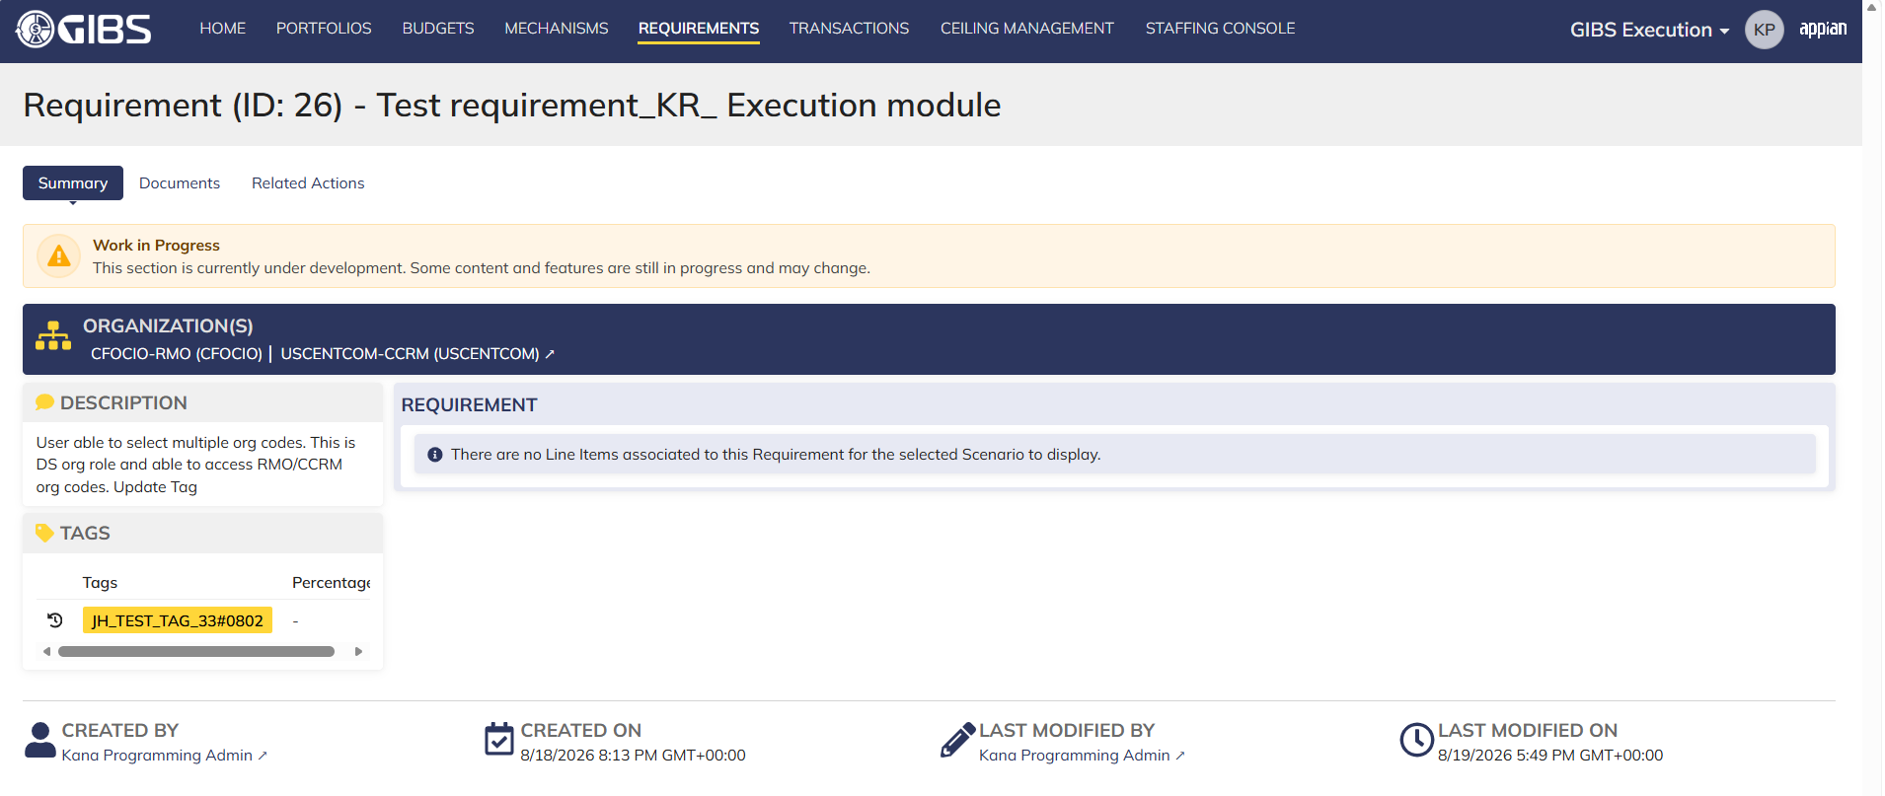

 | Login as RMO programming analyst

Manpower Analyst_Execution
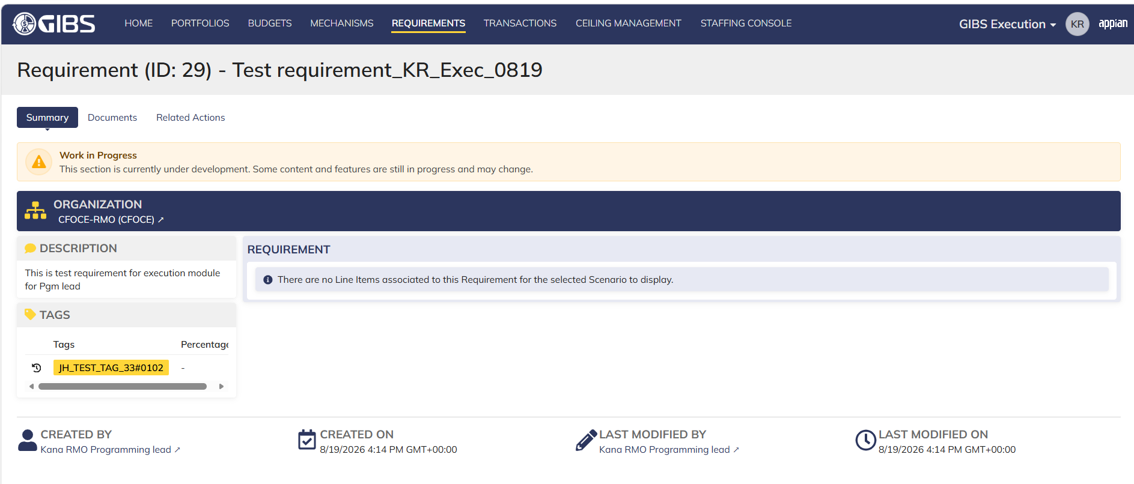
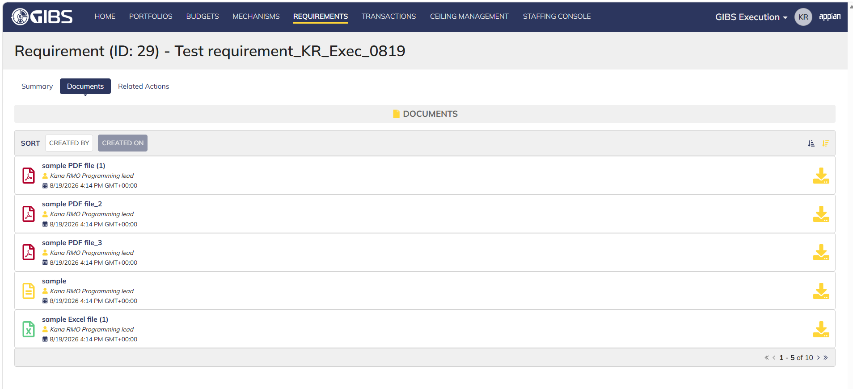
DIABPS Sprint 1 - DIABPS-129 TEST CASE SCENARIO |  | TESTER INFO
Test Case ID: | DIABPS_129#10 | Created By: | Kana Raghavan
Test Scenario: | A user with an appropriate role can view a requirement from Execution module | Created On: | 2026-08-10
User Story: | View a requirement(Planning and Execution modules) | Reviewed By: | Jordan Helman
Story Description: | As a(n) Execution Admin, Programming Admin, Manpower Admin, Resource Management Lead, Execution Lead, Programming Lead, Manpower Lead, Execution Analyst, Programming Analyst, or Manpower Analyst, DDFor/CCMD/Office Business Manager, Office Chief, or Viewer at any level (ES, DS, Service, RMO, CCRM, CCMD, DDFor, or Office) user can view requirements within their organization to review its details. | Reviewed On: | 2026-08-14
Environment: | GIBS Test | Executed By: | Kana Raghavan
User Role(s): | Manpower Analyst for (RMO only) Org | Executed On: | 2026-08-21
Pre-Conditions: | User able to login to Execution module successfully as Manpower Analyst who is assigned to specific Org (RMOs only)
Acceptance Criteria | The user will be able to navigate to a site page for “Requirements” Within this site page, the user will be able to: Search for Requirements within my organization by title View a list of Requirements The following columns appear by default: ID This is a a hyperlink to the Requirement record summary Title Description Organization Code(s)- If there is more than organization code, the organization codes will display as a bulleted list Active The following columns are optional: Created By Created On Last Modified By Last Modified On Filter Requirements by any of the following which are hidden by default: Title Text field Description Text field Organization Code(s) Autocomplete Search Field Active Within a Requirement’s record, The user can view the Summary tab with the following fields displayed: ID This is a a hyperlink to the Requirement record summary Title Description Organization Code(s) If there is more than organization code, the organization codes will display as a bulleted list The user can view the Documents associated to this requirement

Step Number | Step Description | Input Data | Expected Results | Pass/Fail
STEP 1 | Log in as a user with Manpower Analyst credential. User should be assigned to a specific Org (RMO). https://ams-test.appiancloud.us/suite/ | Username: | User able to login successfully | Pass
STEP 2 | Click on GIBS Execution module on top right dropdown to launch Execution module | N/A | User able to click on dropdown and able to launch Execution module | Pass
STEP 3 | Click on "Requirements" Tab | N/A | User able to click requirements tab and current requirements are displayed with all details | Pass
STEP 4 | User able to view all the requirements listed with below headers and search for requirement within their organization ID Title Description Organization code Active | N/A | Current requirements are listed with below fields ID Title Description Organization code Active The user can only see requirements that have at least 1 Organization within their scope | Pass
STEP 5 | User should be able to click on "Show Filters" and Filter box is displayed. User should be able to use below fields and use filters: Title Description Organization Codes Active ( User can toggle "Yes" or "No") | Title- Text Description- Text Organization Codes Active (Yes or No) | User should be able to use Filters and view requirements based on Filter that user inputs. | Pass
STEP 6 | User clicks on ID which is a a hyperlink to open the requirement | N/A | User able to click on ID and requirement screen is displayed | Pass
STEP 7 | Requirement screen is displayed with Requirement ID and Title as header Sub-tabs are displayed and user able to click on below tabs and view the details: Summary Documents Related actions | N/A | Requirement screen with details and user able to click on all sub-tabs successfully | Pass
STEP 8 | On Summary Screen system will record the user who performed the action and the datetime it was performed. Below details are displayed for successful update Created By Created On Last Modified By Last Modified On | N/A | User able to view all system recorded details | Pass

Evidences
 | Login as Manpower analyst ( this role is only for RMO)

DDFor Bus Manager_Execution
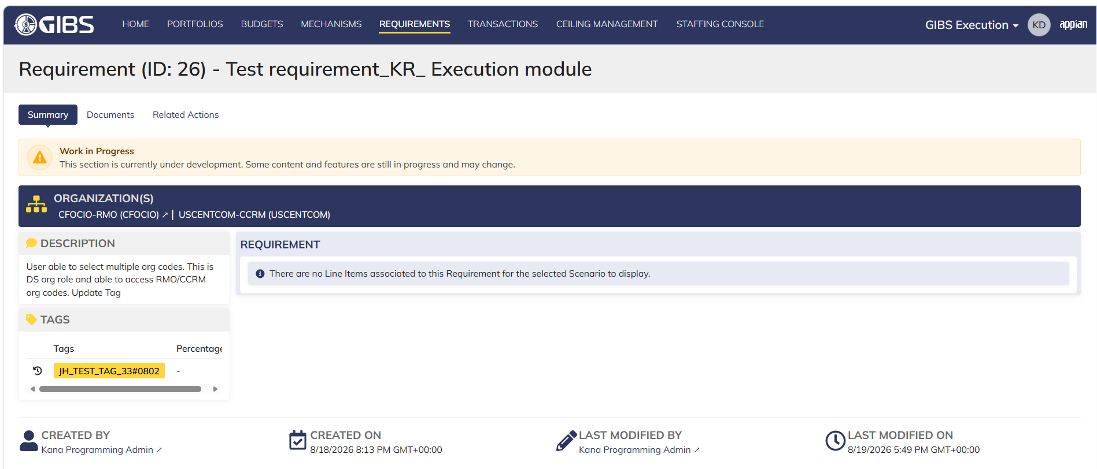
DIABPS Sprint 1 - DIABPS-129 TEST CASE SCENARIO |  | TESTER INFO
Test Case ID: | DIABPS_129#11 | Created By: | Kana Raghavan
Test Scenario: | A user with an appropriate role can view a requirement from Execution module | Created On: | 2026-08-10
User Story: | View a requirement(Planning and Execution modules) | Reviewed By: | Jordan Helman
Story Description: | As a(n) Execution Admin, Programming Admin, Manpower Admin, Resource Management Lead, Execution Lead, Programming Lead, Manpower Lead, Execution Analyst, Programming Analyst, or Manpower Analyst, DDFor/CCMD/Office Business Manager, Office Chief, or Viewer at any level (ES, DS, Service, RMO, CCRM, CCMD, DDFor, or Office) user can view requirements within their organization to review its details. | Reviewed On: | 2026-08-14
Environment: | GIBS Test | Executed By:
User Role(s): | DDFor Business Manager for (DDFor) Org | Executed On:
Pre-Conditions: | User able to login to Execution module successfully as DDFor Business Manager who is assigned to specific Org (DDFor/CCMD)
Acceptance Criteria | The user will be able to navigate to a site page for “Requirements” Within this site page, the user will be able to: Search for Requirements within my organization by title View a list of Requirements The following columns appear by default: ID This is a a hyperlink to the Requirement record summary Title Description Organization Code(s)- If there is more than organization code, the organization codes will display as a bulleted list Active The following columns are optional: Created By Created On Last Modified By Last Modified On Filter Requirements by any of the following which are hidden by default: Title Text field Description Text field Organization Code(s) Autocomplete Search Field Active Within a Requirement’s record, The user can view the Summary tab with the following fields displayed: ID This is a a hyperlink to the Requirement record summary Title Description Organization Code(s) If there is more than organization code, the organization codes will display as a bulleted list The user can view the Documents associated to this requirement

Step Number | Step Description | Input Data | Expected Results | Pass/Fail
STEP 1 | Log in as a user with DDFor/CCMD Business Manager credential. User should be assigned to a specific Org (DDFor). https://ams-test.appiancloud.us/suite/ | Username: | User able to login successfully
STEP 2 | Click on GIBS Execution module on top right dropdown to launch Execution module | N/A | User able to click on dropdown and able to launch Execution module
STEP 3 | Click on "Requirements" Tab | N/A | User able to click requirements tab and current requirements are displayed with all details
STEP 4 | User able to view all the requirements listed with below headers and search for requirement within their organization ID Title Description Organization code Active | N/A | Current requirements are listed with below fields ID Title Description Organization code Active The user can only see requirements that have at least 1 Organization within their scope
STEP 5 | User should be able to click on "Show Filters" and Filter box is displayed. User should be able to use below fields and use filters: Title Description Organization Codes Active ( User can toggle "Yes" or "No") | Title- Text Description- Text Organization Codes Active (Yes or No) | User should be able to use Filters and view requirements based on Filter that user inputs.
STEP 6 | User clicks on ID which is a a hyperlink to open the requirement | N/A | User able to click on ID and requirement screen is displayed
STEP 7 | Requirement screen is displayed with Requirement ID and Title as header Sub-tabs are displayed and user able to click on below tabs and view the details: Summary Documents Related actions | N/A | Requirement screen with details and user able to click on all sub-tabs successfully
STEP 8 | On Summary Screen system will record the user who performed the action and the datetime it was performed. Below details are displayed for successful update Created By Created On Last Modified By Last Modified On | N/A | User able to view all system recorded details

Evidences

 | Login as DDFor Business Manager

CCMD Bus Manager_Execution
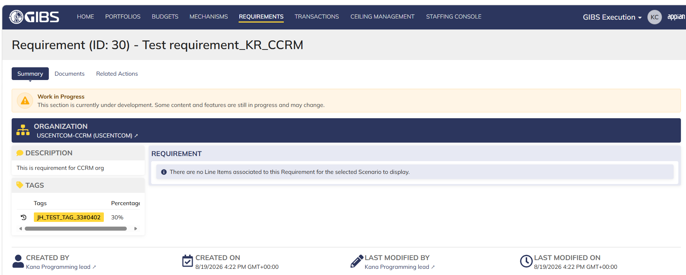
DIABPS Sprint 1 - DIABPS-129 TEST CASE SCENARIO |  | TESTER INFO
Test Case ID: | DIABPS_129#12 | Created By: | Kana Raghavan
Test Scenario: | A user with an appropriate role can view a requirement from Execution module | Created On: | 2026-08-10
User Story: | View a requirement(Planning and Execution modules) | Reviewed By: | Jordan Helman
Story Description: | As a(n) Execution Admin, Programming Admin, Manpower Admin, Resource Management Lead, Execution Lead, Programming Lead, Manpower Lead, Execution Analyst, Programming Analyst, or Manpower Analyst, DDFor/CCMD/Office Business Manager, Office Chief, or Viewer at any level (ES, DS, Service, RMO, CCRM, CCMD, DDFor, or Office) user can view requirements within their organization to review its details. | Reviewed On: | 2026-08-14
Environment: | GIBS Test | Executed By:
User Role(s): | CCMD Business Manager for (CCMD) offices | Executed On:
Pre-Conditions: | User able to login to Execution module successfully as CCMD Business Manager who is assigned to specific Org (DDFor/CCMD)
Acceptance Criteria | The user will be able to navigate to a site page for “Requirements” Within this site page, the user will be able to: Search for Requirements within my organization by title View a list of Requirements The following columns appear by default: ID This is a a hyperlink to the Requirement record summary Title Description Organization Code(s)- If there is more than organization code, the organization codes will display as a bulleted list Active The following columns are optional: Created By Created On Last Modified By Last Modified On Filter Requirements by any of the following which are hidden by default: Title Text field Description Text field Organization Code(s) Autocomplete Search Field Active Within a Requirement’s record, The user can view the Summary tab with the following fields displayed: ID This is a a hyperlink to the Requirement record summary Title Description Organization Code(s) If there is more than organization code, the organization codes will display as a bulleted list The user can view the Documents associated to this requirement

Step Number | Step Description | Input Data | Expected Results | Pass/Fail
STEP 1 | Log in as a user withCCMD Business Manager credential. User should be assigned to a specific Org (CCMD). https://ams-test.appiancloud.us/suite/ | Username: | User able to login successfully | Pass
STEP 2 | Click on GIBS Execution module on top right dropdown to launch Execution module | N/A | User able to click on dropdown and able to launch Execution module | Pass
STEP 3 | Click on "Requirements" Tab | N/A | User able to click requirements tab and current requirements are displayed with all details | Pass
STEP 4 | User able to view all the requirements listed with below headers and search for requirement within their organization ID Title Description Organization code Active | N/A | Current requirements are listed with below fields ID Title Description Organization code Active The user can only see requirements that have at least 1 Organization within their scope | Pass
STEP 5 | User should be able to click on "Show Filters" and Filter box is displayed. User should be able to use below fields and use filters: Title Description Organization Codes Active ( User can toggle "Yes" or "No") | Title- Text Description- Text Organization Codes Active (Yes or No) | User should be able to use Filters and view requirements based on Filter that user inputs. | Pass
STEP 6 | User clicks on ID which is a a hyperlink to open the requirement | N/A | User able to click on ID and requirement screen is displayed | Pass
STEP 7 | Requirement screen is displayed with Requirement ID and Title as header Sub-tabs are displayed and user able to click on below tabs and view the details: Summary Documents Related actions | N/A | Requirement screen with details and user able to click on all sub-tabs successfully | Pass
STEP 8 | On Summary Screen system will record the user who performed the action and the datetime it was performed. Below details are displayed for successful update Created By Created On Last Modified By Last Modified On | N/A | User able to view all system recorded details | Pass

Evidences
 | Login as CCMD Business Manager

Office Bus Manager_Execution
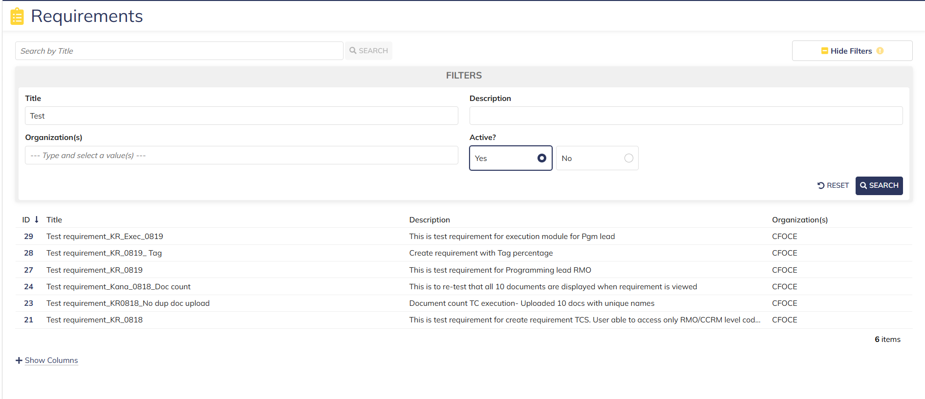
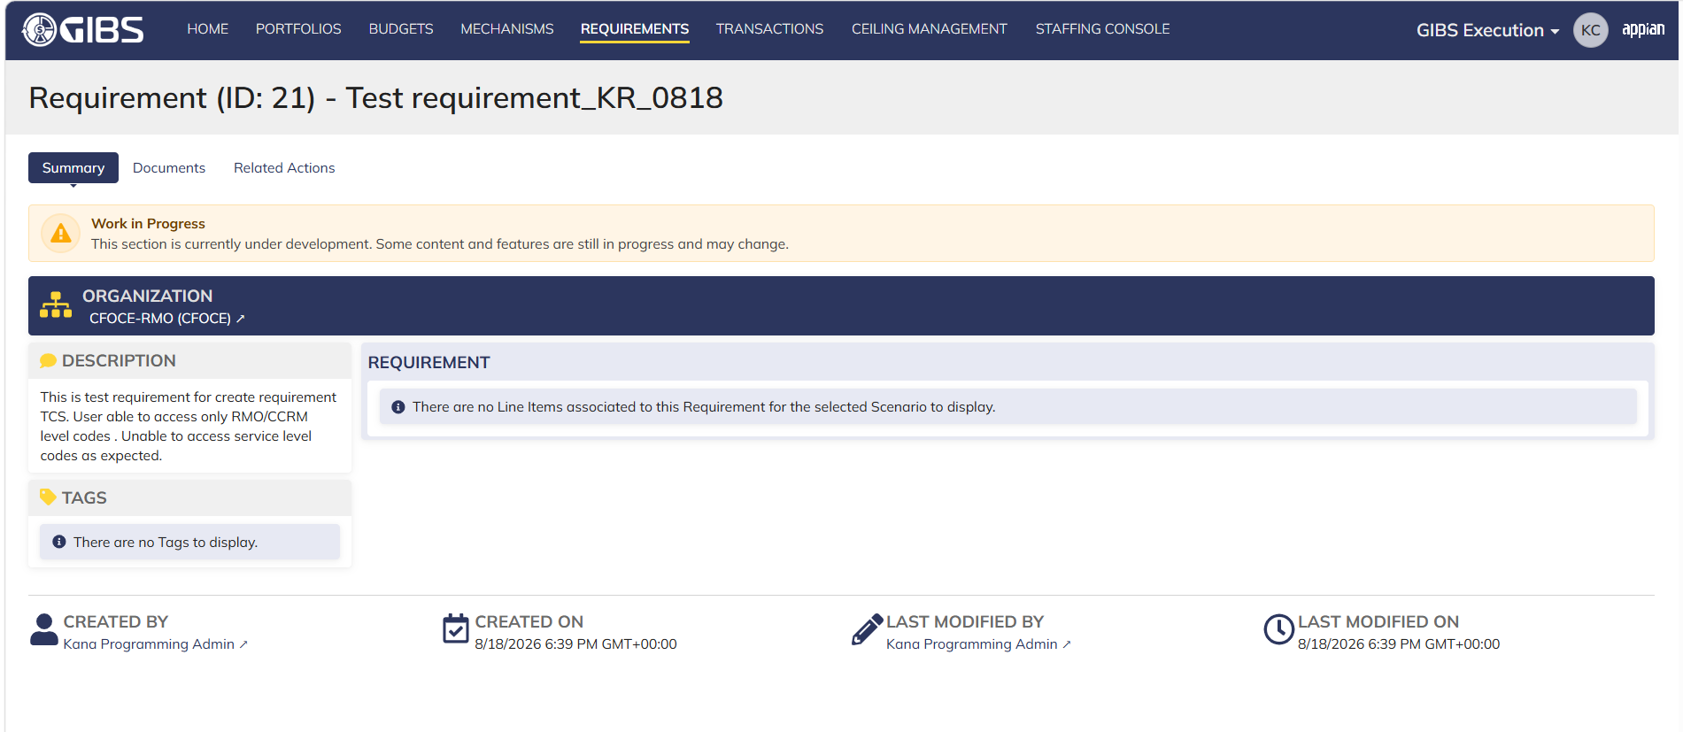
DIABPS Sprint 1 - DIABPS-129 TEST CASE SCENARIO |  | TESTER INFO
Test Case ID: | DIABPS_129#13 | Created By: | Kana Raghavan
Test Scenario: | A user with an appropriate role can view a requirement from Execution module | Created On: | 2026-08-10
User Story: | View a requirement(Planning and Execution modules) | Reviewed By: | Jordan Helman
Story Description: | As a(n) Execution Admin, Programming Admin, Manpower Admin, Resource Management Lead, Execution Lead, Programming Lead, Manpower Lead, Execution Analyst, Programming Analyst, or Manpower Analyst, DDFor/CCMD/Office Business Manager, Office Chief, or Viewer at any level (ES, DS, Service, RMO, CCRM, CCMD, DDFor, or Office) user can view requirements within their organization to review its details. | Reviewed On: | 2026-08-14
Environment: | GIBS Test | Executed By: | Kana Raghavan
User Role(s): | Office Business Manager for (Office) Org | Executed On: | 2026-08-21
Pre-Conditions: | User able to login to Execution module successfully as Office Business Manager who is assigned to specific Office
Acceptance Criteria | The user will be able to navigate to a site page for “Requirements” Within this site page, the user will be able to: Search for Requirements within my organization by title View a list of Requirements The following columns appear by default: ID This is a a hyperlink to the Requirement record summary Title Description Organization Code(s)- If there is more than organization code, the organization codes will display as a bulleted list Active The following columns are optional: Created By Created On Last Modified By Last Modified On Filter Requirements by any of the following which are hidden by default: Title Text field Description Text field Organization Code(s) Autocomplete Search Field Active Within a Requirement’s record, The user can view the Summary tab with the following fields displayed: ID This is a a hyperlink to the Requirement record summary Title Description Organization Code(s) If there is more than organization code, the organization codes will display as a bulleted list The user can view the Documents associated to this requirement

Step Number | Step Description | Input Data | Expected Results | Pass/Fail
STEP 1 | Log in as a user with Office Business Manager credential. User should be assigned to a specific Org (Office). https://ams-test.appiancloud.us/suite/ | Username: | User able to login successfully | Pass
STEP 2 | Click on GIBS Execution module on top right dropdown to launch Execution module | N/A | User able to click on dropdown and able to launch Execution module | Pass
STEP 3 | Click on "Requirements" Tab | N/A | User able to click requirements tab and current requirements are displayed with all details | Pass
STEP 4 | User able to view all the requirements listed with below headers and search for requirement within their organization ID Title Description Organization code Active | N/A | Current requirements are listed with below fields ID Title Description Organization code Active The user can only see requirements that have at least 1 Organization within their scope | Pass
STEP 5 | User should be able to click on "Show Filters" and Filter box is displayed. User should be able to use below fields and use filters: Title Description Organization Codes Active ( User can toggle "Yes" or "No") | Title- Text Description- Text Organization Codes Active (Yes or No) | User should be able to use Filters and view requirements based on Filter that user inputs. | Pass
STEP 6 | User clicks on ID which is a a hyperlink to open the requirement | N/A | User able to click on ID and requirement screen is displayed | Pass
STEP 7 | Requirement screen is displayed with Requirement ID and Title as header Sub-tabs are displayed and user able to click on below tabs and view the details: Summary Documents Related actions | N/A | Requirement screen with details and user able to click on all sub-tabs successfully | Pass
STEP 8 | On Summary Screen system will record the user who performed the action and the datetime it was performed. Below details are displayed for successful update Created By Created On Last Modified By Last Modified On | N/A | User able to view all system recorded details | Pass

Evidences
 | Login as Office Business Manager

Office Chief_Execution
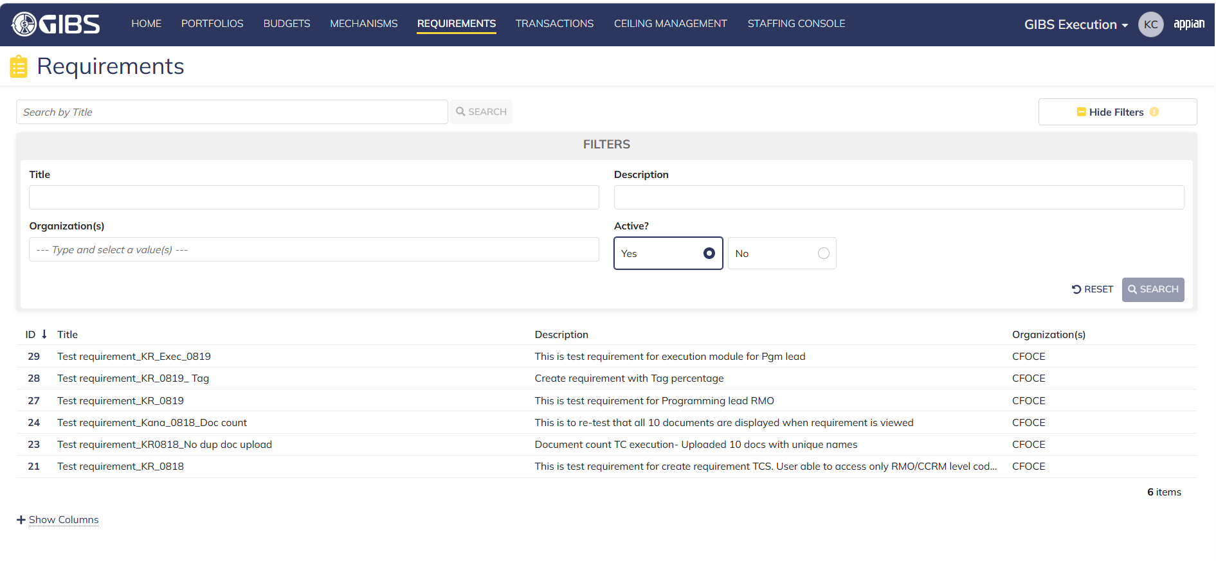
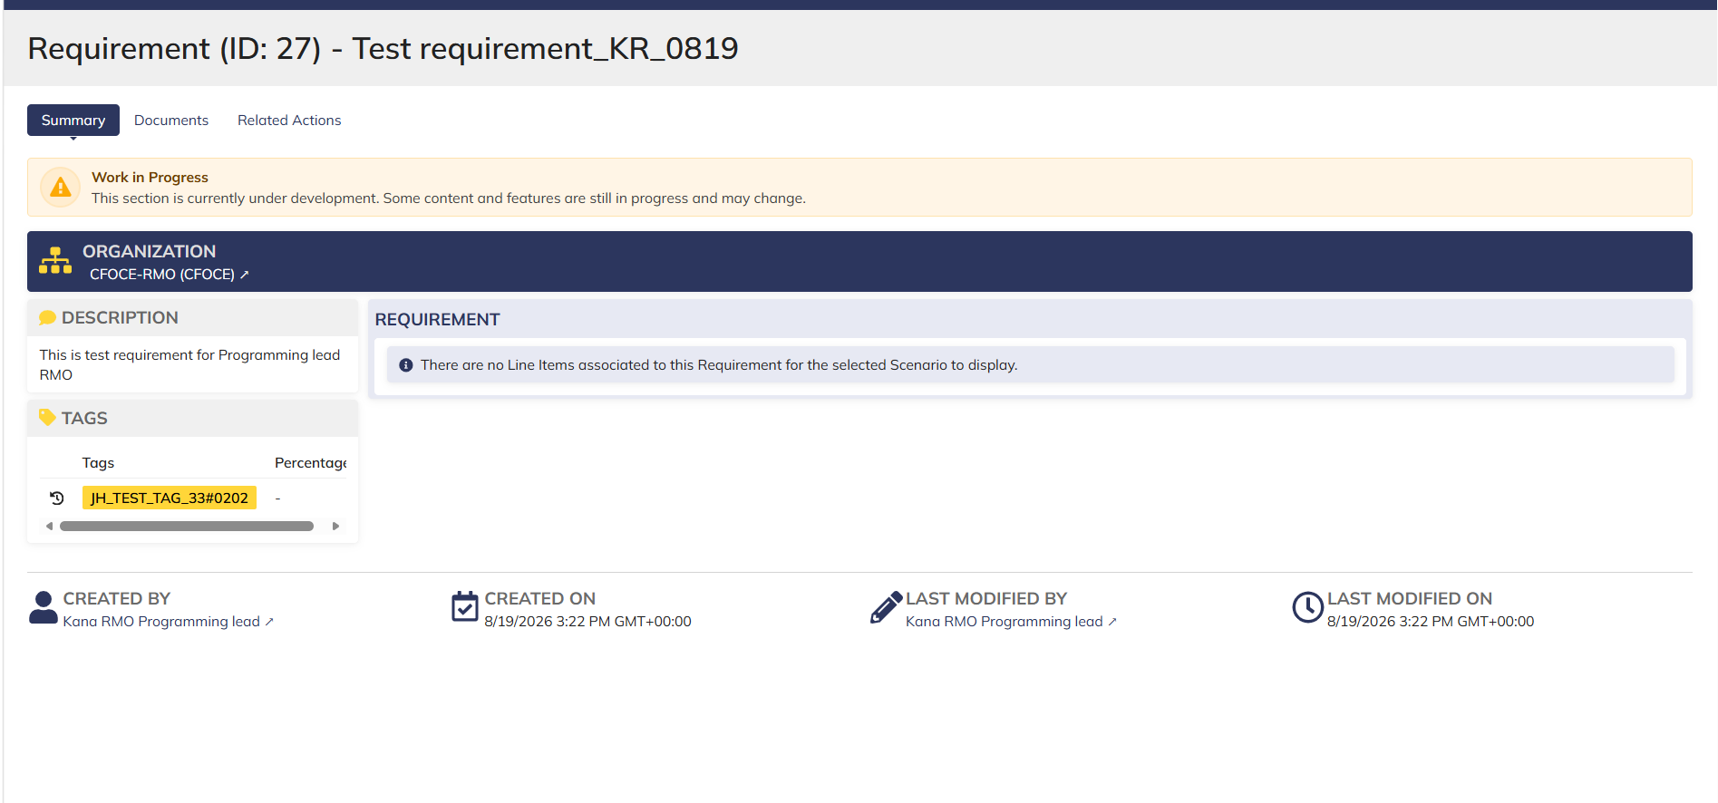
DIABPS Sprint 1 - DIABPS-129 TEST CASE SCENARIO |  | TESTER INFO
Test Case ID: | DIABPS_129#14 | Created By: | Kana Raghavan
Test Scenario: | A user with an appropriate role can view a requirement from Execution module | Created On: | 2026-08-10
User Story: | View a requirement(Planning and Execution modules) | Reviewed By: | Jordan Helman
Story Description: | As a(n) Execution Admin, Programming Admin, Manpower Admin, Resource Management Lead, Execution Lead, Programming Lead, Manpower Lead, Execution Analyst, Programming Analyst, or Manpower Analyst, DDFor/CCMD/Office Business Manager, Office Chief, or Viewer at any level (ES, DS, Service, RMO, CCRM, CCMD, DDFor, or Office) user can view requirements within their organization to review its details. | Reviewed On: | 2026-08-14
Environment: | GIBS Test | Executed By: | Kana Raghavan
User Role(s): | Office Chief for (Office) Org | Executed On: | 2026-08-21
Pre-Conditions: | User able to login to Execution module successfully as Office Chief Execution who is assigned to specific Office
Acceptance Criteria | The user will be able to navigate to a site page for “Requirements” Within this site page, the user will be able to: Search for Requirements within my organization by title View a list of Requirements The following columns appear by default: ID This is a a hyperlink to the Requirement record summary Title Description Organization Code(s)- If there is more than organization code, the organization codes will display as a bulleted list Active The following columns are optional: Created By Created On Last Modified By Last Modified On Filter Requirements by any of the following which are hidden by default: Title Text field Description Text field Organization Code(s) Autocomplete Search Field Active Within a Requirement’s record, The user can view the Summary tab with the following fields displayed: ID This is a a hyperlink to the Requirement record summary Title Description Organization Code(s) If there is more than organization code, the organization codes will display as a bulleted list The user can view the Documents associated to this requirement

Step Number | Step Description | Input Data | Expected Results | Pass/Fail
STEP 1 | Log in as a user with Office Chief credential. User should be assigned to a specific Org (Office). https://ams-test.appiancloud.us/suite/ | Username: | User able to login successfully | Pass
STEP 2 | Click on GIBS Execution module on top right dropdown to launch Execution module | N/A | User able to click on dropdown and able to launch Execution module | Pass
STEP 3 | Click on "Requirements" Tab | N/A | User able to click requirements tab and current requirements are displayed with all details | Pass
STEP 4 | User able to view all the requirements listed with below headers and search for requirement within their organization ID Title Description Organization code Active | N/A | Current requirements are listed with below fields ID Title Description Organization code Active The user can only see requirements that have at least 1 Organization within their scope | Pass
STEP 5 | User should be able to click on "Show Filters" and Filter box is displayed. User should be able to use below fields and use filters: Title Description Organization Codes Active ( User can toggle "Yes" or "No") | Title- Text Description- Text Organization Codes Active (Yes or No) | User should be able to use Filters and view requirements based on Filter that user inputs. | Pass
STEP 6 | User clicks on ID which is a a hyperlink to open the requirement | N/A | User able to click on ID and requirement screen is displayed | Pass
STEP 7 | Requirement screen is displayed with Requirement ID and Title as header Sub-tabs are displayed and user able to click on below tabs and view the details: Summary Documents Related actions | N/A | Requirement screen with details and user able to click on all sub-tabs successfully | Pass
STEP 8 | On Summary Screen system will record the user who performed the action and the datetime it was performed. Below details are displayed for successful update Created By Created On Last Modified By Last Modified On | N/A | User able to view all system recorded details | Pass

Evidences
 | Login as Office Chief

ES Viewer_Execution
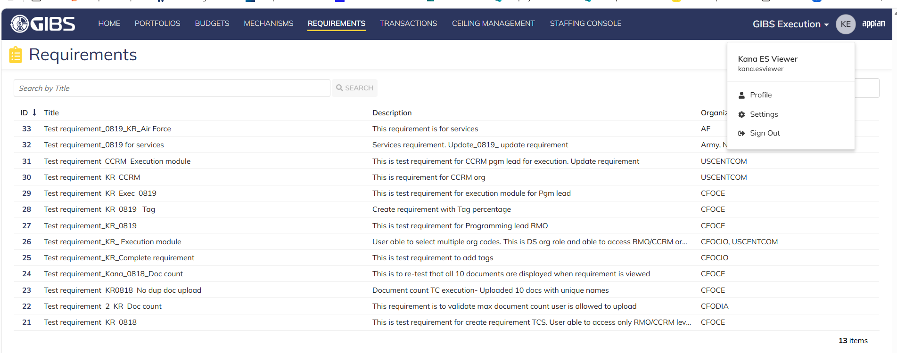
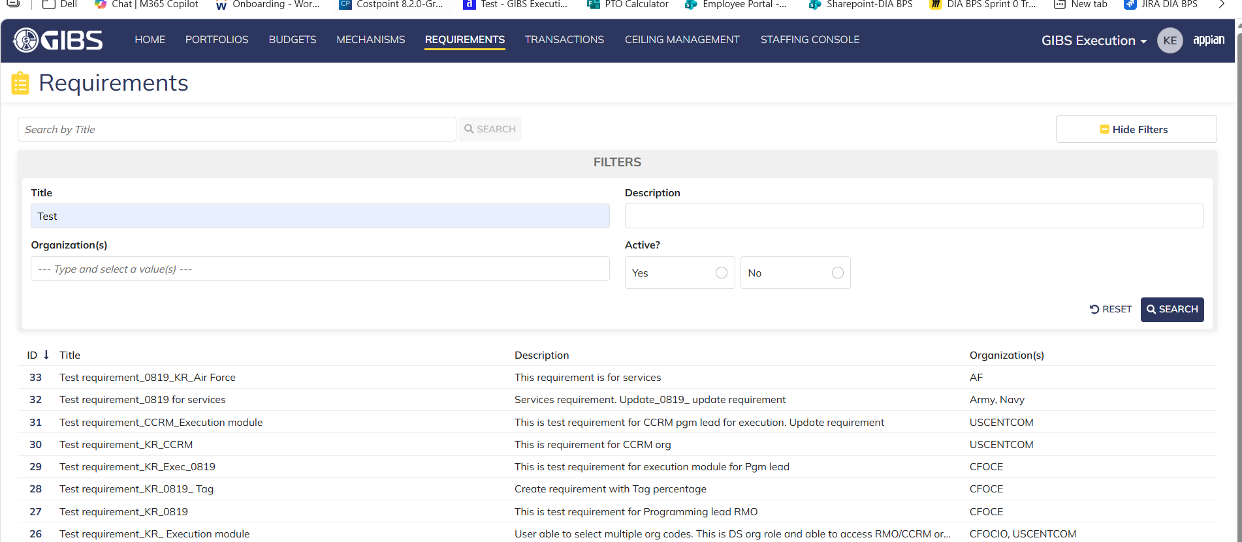
DIABPS Sprint 1 - DIABPS-129 TEST CASE SCENARIO |  | TESTER INFO
Test Case ID: | DIABPS_129#15 | Created By: | Kana Raghavan
Test Scenario: | A user with an appropriate role can view a requirement from Execution module | Created On: | 2026-08-10
User Story: | View a requirement(Planning and Execution modules) | Reviewed By: | Jordan Helman
Story Description: | As a(n) Execution Admin, Programming Admin, Manpower Admin, Resource Management Lead, Execution Lead, Programming Lead, Manpower Lead, Execution Analyst, Programming Analyst, or Manpower Analyst, DDFor/CCMD/Office Business Manager, Office Chief, or Viewer at any level (ES, DS, Service, RMO, CCRM, CCMD, DDFor, or Office) user can view requirements within their organization to review its details. | Reviewed On: | 2026-08-14
Environment: | GIBS Test | Executed By: | Kana Raghavan
User Role(s): | Viewer for (ES) Org | Executed On: | 2026-08-21
Pre-Conditions: | User able to login to Execution module successfully as a Viewer who is assigned to specific Org (ES)
Acceptance Criteria | The user will be able to navigate to a site page for “Requirements” Within this site page, the user will be able to: Search for Requirements within my organization by title View a list of Requirements The following columns appear by default: ID This is a a hyperlink to the Requirement record summary Title Description Organization Code(s)- If there is more than organization code, the organization codes will display as a bulleted list Active The following columns are optional: Created By Created On Last Modified By Last Modified On Filter Requirements by any of the following which are hidden by default: Title Text field Description Text field Organization Code(s) Autocomplete Search Field Active Within a Requirement’s record, The user can view the Summary tab with the following fields displayed: ID This is a a hyperlink to the Requirement record summary Title Description Organization Code(s) If there is more than organization code, the organization codes will display as a bulleted list The user can view the Documents associated to this requirement

Step Number | Step Description | Input Data | Expected Results | Pass/Fail
STEP 1 | Log in as a user with Viewer credential. User should be assigned to a specific Org (ES). https://ams-test.appiancloud.us/suite/ | Username: | User able to login successfully | Pass
STEP 2 | Click on GIBS Execution module on top right dropdown to launch Execution module | N/A | User able to click on dropdown and able to launch Execution module | Pass
STEP 3 | Click on "Requirements" Tab | N/A | User able to click requirements tab and current requirements are displayed with all details | Pass
STEP 4 | User able to view all the requirements listed with below headers and search for requirement within their organization ID Title Description Organization code Active | N/A | Current requirements are listed with below fields ID Title Description Organization code Active The user can only see requirements that have at least 1 Organization within their scope | Pass
STEP 5 | User should be able to click on "Show Filters" and Filter box is displayed. User should be able to use below fields and use filters: Title Description Organization Codes Active ( User can toggle "Yes" or "No") | Title- Text Description- Text Organization Codes Active (Yes or No) | User should be able to use Filters and view requirements based on Filter that user inputs. | Pass
STEP 6 | User clicks on ID which is a a hyperlink to open the requirement | N/A | User able to click on ID and requirement screen is displayed | Pass
STEP 7 | Requirement screen is displayed with Requirement ID and Title as header Sub-tabs are displayed and user able to click on below tabs and view the details: Summary Documents Related actions | N/A | Requirement screen with details and user able to click on all sub-tabs successfully | Pass
STEP 8 | On Summary Screen system will record the user who performed the action and the datetime it was performed. Below details are displayed for successful update Created By Created On Last Modified By Last Modified On | N/A | User able to view all system recorded details | Pass

Evidences
 | Login as ES Viewer

DS Viewer_Execution
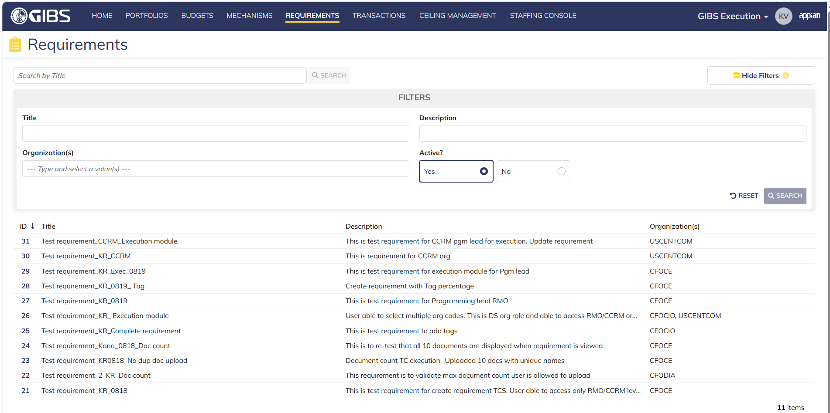
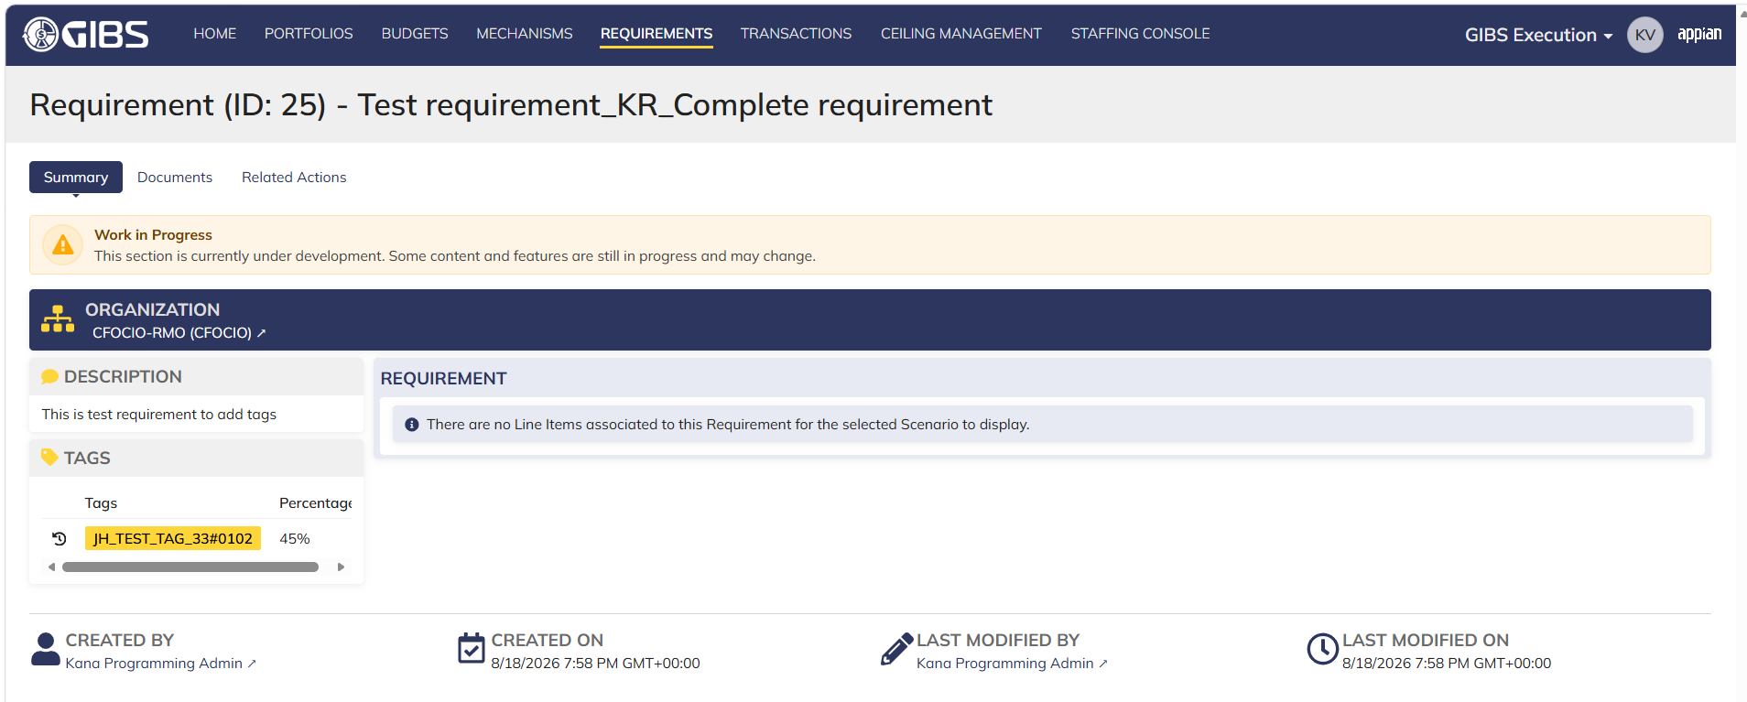
DIABPS Sprint 1 - DIABPS-129 TEST CASE SCENARIO |  | TESTER INFO
Test Case ID: | DIABPS_129#16 | Created By: | Kana Raghavan
Test Scenario: | A user with an appropriate role can view a requirement from Execution module | Created On: | 2026-08-10
User Story: | View a requirement(Planning and Execution modules) | Reviewed By: | Jordan Helman
Story Description: | As a(n) Execution Admin, Programming Admin, Manpower Admin, Resource Management Lead, Execution Lead, Programming Lead, Manpower Lead, Execution Analyst, Programming Analyst, or Manpower Analyst, DDFor/CCMD/Office Business Manager, Office Chief, or Viewer at any level (ES, DS, Service, RMO, CCRM, CCMD, DDFor, or Office) user can view requirements within their organization to review its details. | Reviewed On: | 2026-08-14
Environment: | GIBS Test | Executed By: | Kana Raghavan
User Role(s): | Viewer for (DS) Org | Executed On: | 2026-08-21
Pre-Conditions: | User able to login to Execution module successfully as a Viewer who is assigned to specific Org (DS)
Acceptance Criteria | The user will be able to navigate to a site page for “Requirements” Within this site page, the user will be able to: Search for Requirements within my organization by title View a list of Requirements The following columns appear by default: ID This is a a hyperlink to the Requirement record summary Title Description Organization Code(s)- If there is more than organization code, the organization codes will display as a bulleted list Active The following columns are optional: Created By Created On Last Modified By Last Modified On Filter Requirements by any of the following which are hidden by default: Title Text field Description Text field Organization Code(s) Autocomplete Search Field Active Within a Requirement’s record, The user can view the Summary tab with the following fields displayed: ID This is a a hyperlink to the Requirement record summary Title Description Organization Code(s) If there is more than organization code, the organization codes will display as a bulleted list The user can view the Documents associated to this requirement

Step Number | Step Description | Input Data | Expected Results | Pass/Fail
STEP 1 | Log in as a user with Viewer credential. User should be assigned to a specific Org (DS). https://ams-test.appiancloud.us/suite/ | Username: | User able to login successfully
STEP 2 | Click on GIBS Execution module on top right dropdown to launch Execution module | N/A | User able to click on dropdown and able to launch Execution module
STEP 3 | Click on "Requirements" Tab | N/A | User able to click requirements tab and current requirements are displayed with all details
STEP 4 | User able to view all the requirements listed with below headers and search for requirement within their organization ID Title Description Organization code Active | N/A | Current requirements are listed with below fields ID Title Description Organization code Active The user can only see requirements that have at least 1 Organization within their scope
STEP 5 | User should be able to click on "Show Filters" and Filter box is displayed. User should be able to use below fields and use filters: Title Description Organization Codes Active ( User can toggle "Yes" or "No") | Title- Text Description- Text Organization Codes Active (Yes or No) | User should be able to use Filters and view requirements based on Filter that user inputs.
STEP 6 | User clicks on ID which is a a hyperlink to open the requirement | N/A | User able to click on ID and requirement screen is displayed
STEP 7 | Requirement screen is displayed with Requirement ID and Title as header Sub-tabs are displayed and user able to click on below tabs and view the details: Summary Documents Related actions | N/A | Requirement screen with details and user able to click on all sub-tabs successfully
STEP 8 | On Summary Screen system will record the user who performed the action and the datetime it was performed. Below details are displayed for successful update Created By Created On Last Modified By Last Modified On | N/A | User able to view all system recorded details

Evidences
 | Login as DS Viewer

Service Viewer_Execution
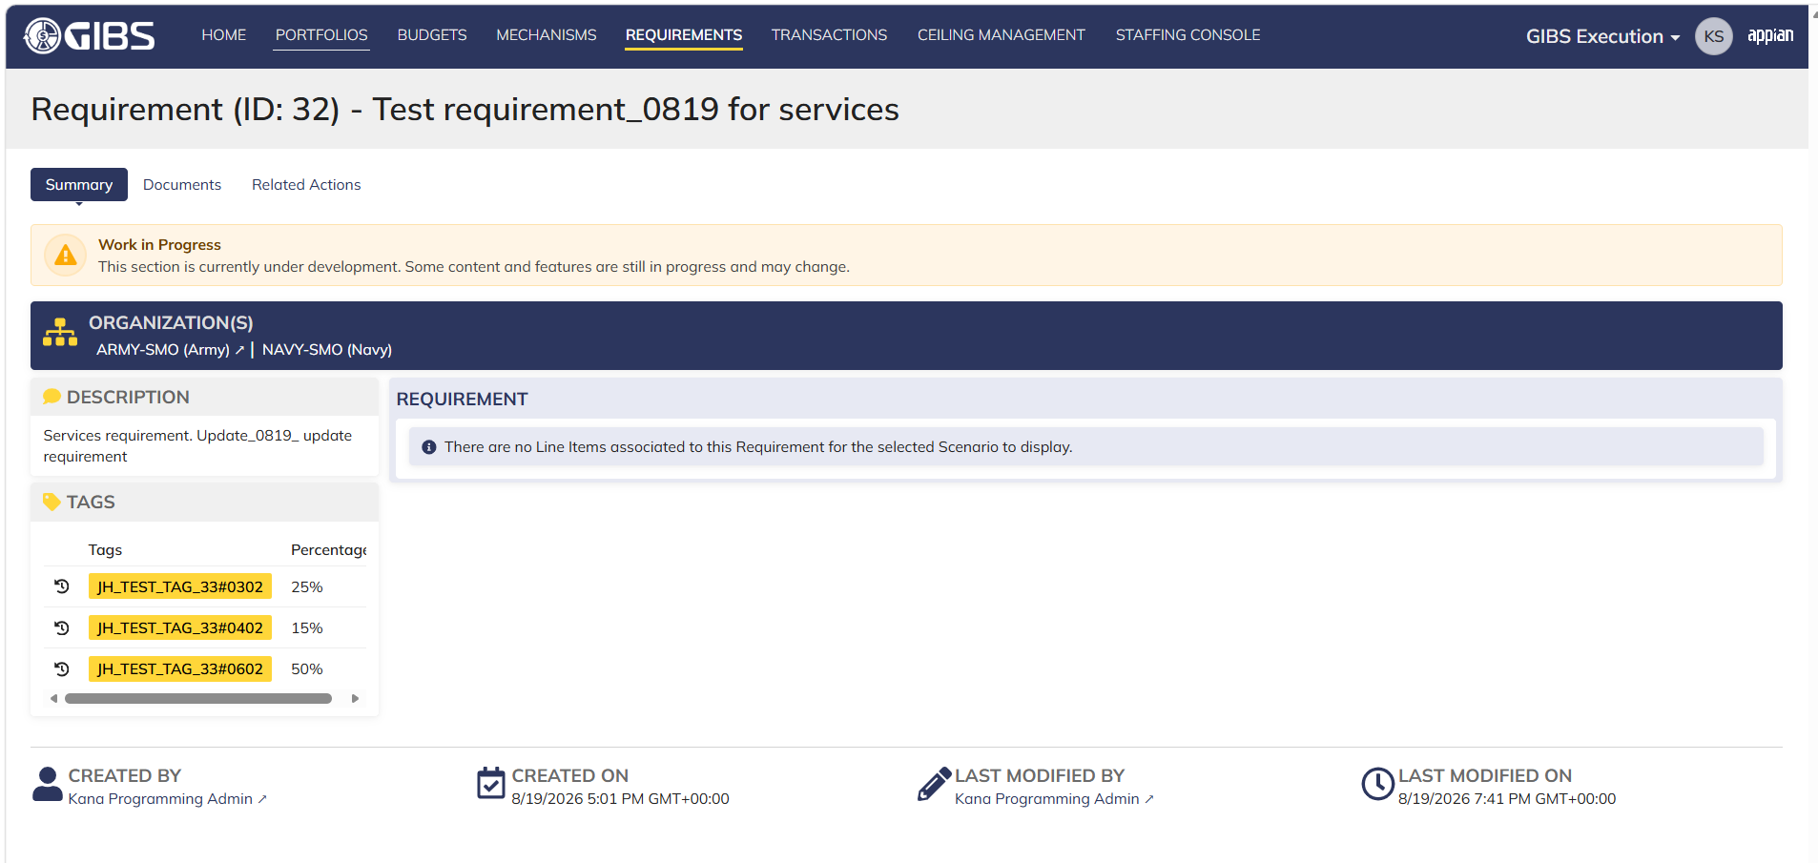
DIABPS Sprint 1 - DIABPS-129 TEST CASE SCENARIO |  | TESTER INFO
Test Case ID: | DIABPS_129#17 | Created By: | Kana Raghavan
Test Scenario: | A user with an appropriate role can view a requirement from Execution module | Created On: | 2026-08-10
User Story: | View a requirement(Planning and Execution modules) | Reviewed By: | Jordan Helman
Story Description: | As a(n) Execution Admin, Programming Admin, Manpower Admin, Resource Management Lead, Execution Lead, Programming Lead, Manpower Lead, Execution Analyst, Programming Analyst, or Manpower Analyst, DDFor/CCMD/Office Business Manager, Office Chief, or Viewer at any level (ES, DS, Service, RMO, CCRM, CCMD, DDFor, or Office) user can view requirements within their organization to review its details. | Reviewed On: | 2026-08-14
Environment: | GIBS Test | Executed By: | Kana Raghavan
User Role(s): | Viewer for (Services) Org | Executed On: | 2026-08-21
Pre-Conditions: | User able to login to Execution module successfully as Service viewer who is assigned to specific Org (Services)
Acceptance Criteria | The user will be able to navigate to a site page for “Requirements” Within this site page, the user will be able to: Search for Requirements within my organization by title View a list of Requirements The following columns appear by default: ID This is a a hyperlink to the Requirement record summary Title Description Organization Code(s)- If there is more than organization code, the organization codes will display as a bulleted list Active The following columns are optional: Created By Created On Last Modified By Last Modified On Filter Requirements by any of the following which are hidden by default: Title Text field Description Text field Organization Code(s) Autocomplete Search Field Active Within a Requirement’s record, The user can view the Summary tab with the following fields displayed: ID This is a a hyperlink to the Requirement record summary Title Description Organization Code(s) If there is more than organization code, the organization codes will display as a bulleted list The user can view the Documents associated to this requirement

Step Number | Step Description | Input Data | Expected Results | Pass/Fail
STEP 1 | Log in as a user with a Viewer credential. User should be assigned to a specific Org (Services). https://ams-test.appiancloud.us/suite/ | Username: | User able to login successfully | Pass
STEP 2 | Click on GIBS Execution module on top right dropdown to launch Execution module | N/A | User able to click on dropdown and able to launch Execution module | Pass
STEP 3 | Click on "Requirements" Tab | N/A | User able to click requirements tab and current requirements are displayed with all details | Pass
STEP 4 | User able to view all the requirements listed with below headers and search for requirement within their organization ID Title Description Organization code Active | N/A | Current requirements are listed with below fields ID Title Description Organization code Active The user can only see requirements that have at least 1 Organization within their scope | Pass
STEP 5 | User should be able to click on "Show Filters" and Filter box is displayed. User should be able to use below fields and use filters: Title Description Organization Codes Active ( User can toggle "Yes" or "No") | Title- Text Description- Text Organization Codes Active (Yes or No) | User should be able to use Filters and view requirements based on Filter that user inputs. | Pass
STEP 6 | User clicks on ID which is a a hyperlink to open the requirement | N/A | User able to click on ID and requirement screen is displayed | Pass
STEP 7 | Requirement screen is displayed with Requirement ID and Title as header Sub-tabs are displayed and user able to click on below tabs and view the details: Summary Documents Related actions | N/A | Requirement screen with details and user able to click on all sub-tabs successfully | Pass
STEP 8 | On Summary Screen system will record the user who performed the action and the datetime it was performed. Below details are displayed for successful update Created By Created On Last Modified By Last Modified On | N/A | User able to view all system recorded details | Pass

Evidences
 | Login as Service Viewer

RMO Viewer_Execution
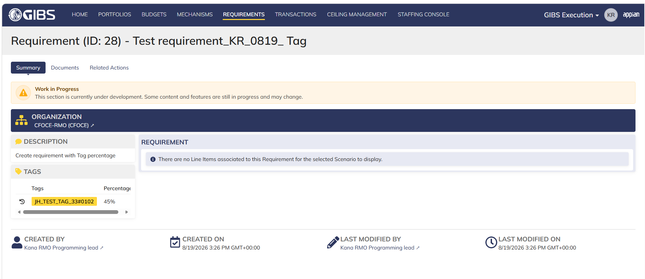
DIABPS Sprint 1 - DIABPS-129 TEST CASE SCENARIO |  | TESTER INFO
Test Case ID: | DIABPS_129#18 | Created By: | Kana Raghavan
Test Scenario: | A user with an appropriate role can view a requirement from Execution module | Created On: | 2026-08-10
User Story: | View a requirement(Planning and Execution modules) | Reviewed By: | Jordan Helman
Story Description: | As a(n) Execution Admin, Programming Admin, Manpower Admin, Resource Management Lead, Execution Lead, Programming Lead, Manpower Lead, Execution Analyst, Programming Analyst, or Manpower Analyst, DDFor/CCMD/Office Business Manager, Office Chief, or Viewer at any level (ES, DS, Service, RMO, CCRM, CCMD, DDFor, or Office) user can view requirements within their organization to review its details. | Reviewed On: | 2026-08-14
Environment: | GIBS Test | Executed By: | Kana Raghavan
User Role(s): | Viewer role for (RMO) Org | Executed On: | 2026-08-21
...

CCRM Viewer_Execution
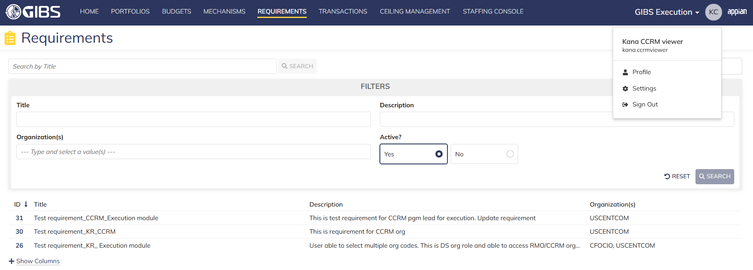
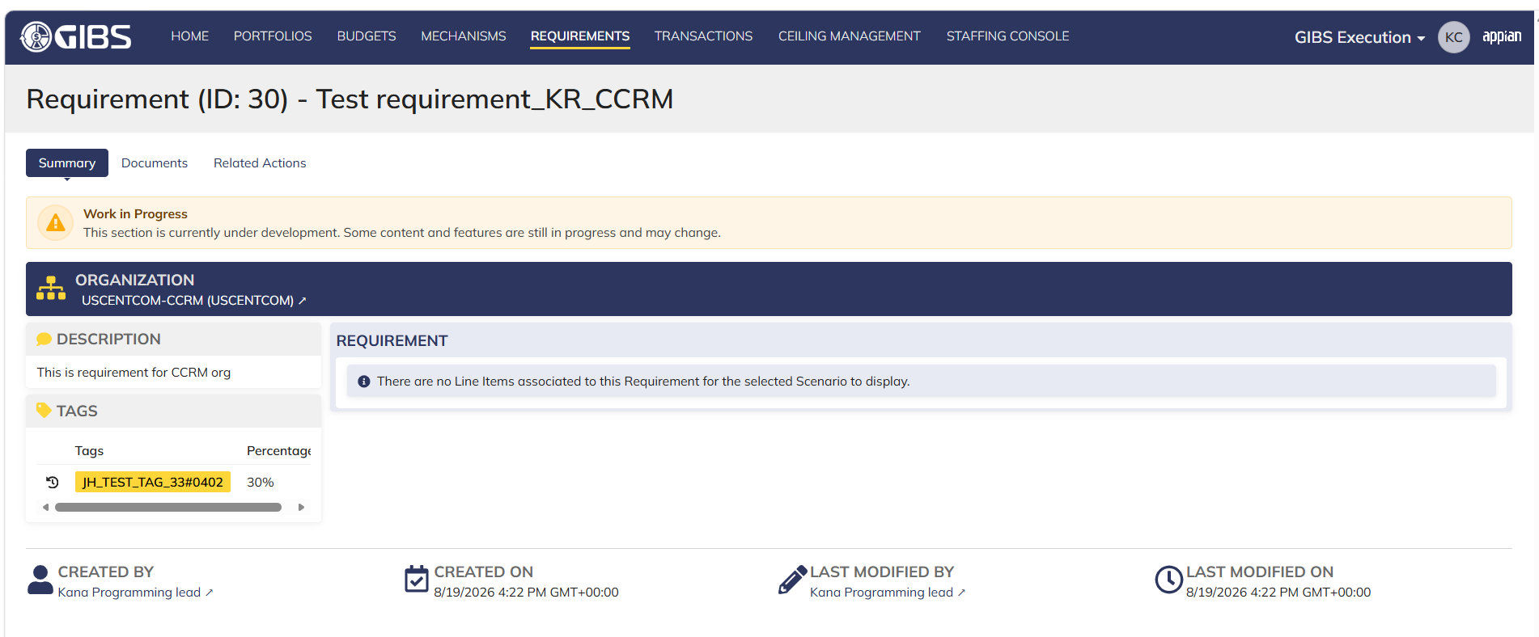
...
Step Number | Step Description | Input Data | Expected Results | Pass/Fail
STEP 6 | User clicks on ID which is a a hyperlink to open the requirement | N/A | User able to click on ID and requirement screen is displayed | Pass
STEP 7 | Requirement screen is displayed with Requirement ID and Title as header Sub-tabs are displayed and user able to click on below tabs and view the details: Summary Documents Related actions | N/A | Requirement screen with details and user able to click on all sub-tabs successfully | Pass
STEP 8 | On Summary Screen system will record the user who performed the action and the datetime it was performed. Below details are displayed for successful update Created By Created On Last Modified By Last Modified On | N/A | User able to view all system recorded details | Pass

Evidences
 | Login as CCRM Viewer

DDFOR_CCMD_Viewer_Execution
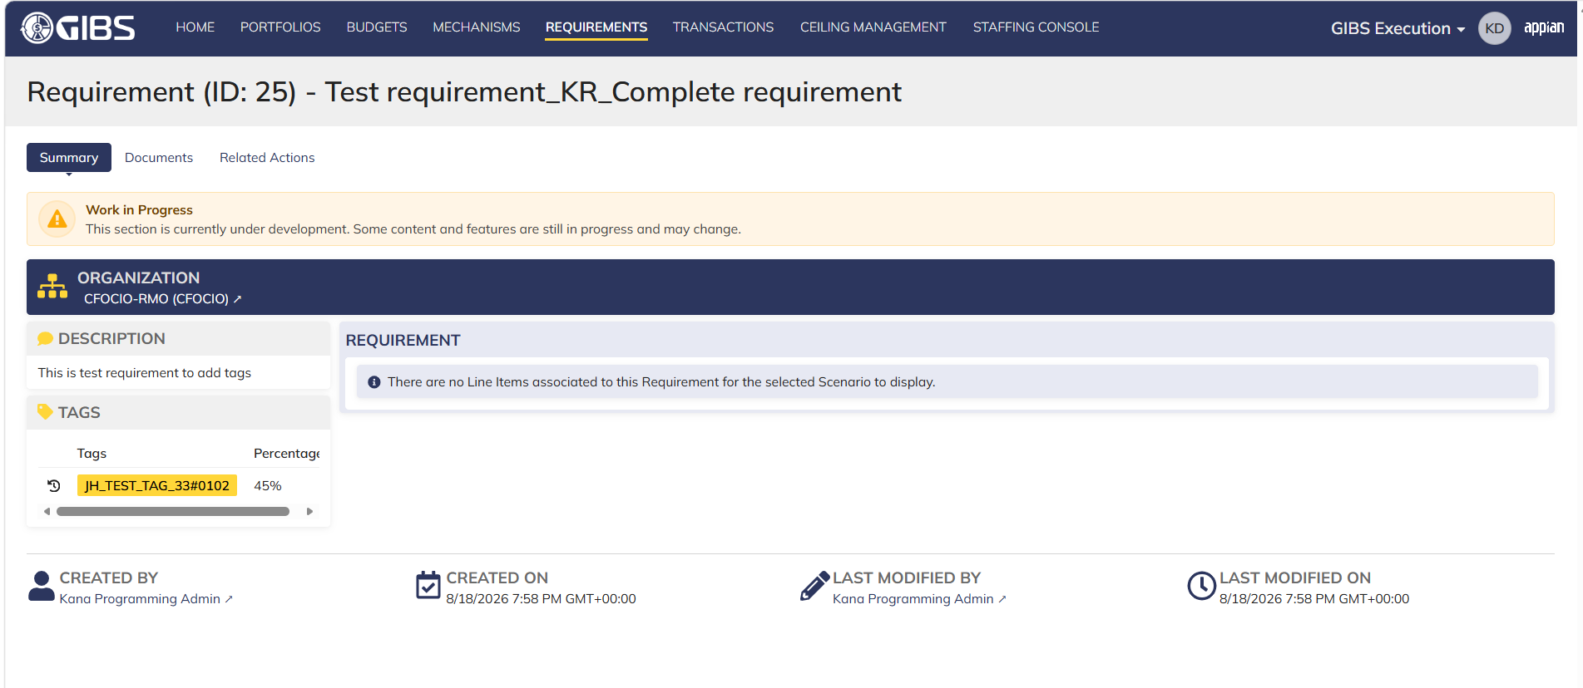
...

Office Viewer_Execution



